Solid Representative
Total Energy vs. Time
 | dt = 0.05 |  | dt = 0.01 |  | dt = 0.005
0 | -214.15819924 | 0 | -214.15819924 | 0 | -214.15819924
0.05 | -214.30963077 | 0.01 | -214.29958931 | 0.005 | -214.23182018
0.1 | -213.93020576 | 0.02 | -214.29937854 | 0.01 | -214.23190383
0.15 | -214.32680384 | 0.03 | -214.29784706 | 0.015 | -214.23189639
0.2 | -214.36036988 | 0.04 | -214.29503829 | 0.02 | -214.23179494
0.25 | -214.16387812 | 0.05 | -214.29113311 | 0.025 | -214.23159697
0.3 | -214.17113286 | 0.06 | -214.28663697 | 0.03 | -214.23130121
0.35 | -214.18174611 | 0.07 | -214.28223966 | 0.035 | -214.23090872
0.4 | -214.12123435 | 0.08 | -214.27893957 | 0.04 | -214.23032457
0.45 | -214.02898806 | 0.09 | -214.27611875 | 0.045 | -214.22973531
0.5 | -214.18655954 | 0.1 | -214.27585184 | 0.05 | -214.22908667
0.55 | -214.03831192 | 0.11 | -214.27782647 | 0.055 | -214.2284106
0.6 | -213.95373174 | 0.12 | -214.2814325 | 0.06 | -214.22771103
0.65 | -214.23893671 | 0.13 | -214.28629681 | 0.065 | -214.22686205
0.7 | -214.04290831 | 0.14 | -214.28847086 | 0.07 | -214.22625705
0.75 | -213.94611195 | 0.15 | -214.29468491 | 0.075 | -214.22558413
0.8 | -214.18064721 | 0.16 | -214.29628006 | 0.08 | -214.22519761
0.85 | -214.04876007 | 0.17 | -214.29122518 | 0.085 | -214.2250444
0.9 | -213.86409424 | 0.18 | -214.29049106 | 0.09 | -214.22496385
0.95 | -213.98002273 | 0.19 | -214.28958302 | 0.095 | -214.22516719
1 | -213.79967149 | 0.2 | -214.28815661 | 0.1 | -214.22534074
1.05 | -213.91637115 | 0.21 | -214.2893831 | 0.105 | -214.2258491
1.1 | -213.77266358 | 0.22 | -214.28685115 | 0.11 | -214.2263276
1.15 | -213.99169279 | 0.23 | -214.28514118 | 0.115 | -214.22772532
1.2 | -213.75834887 | 0.24 | -214.28550459 | 0.12 | -214.22729934
1.25 | -213.85500364 | 0.25 | -214.28622201 | 0.125 | -214.22831225
1.3 | -214.10036927 | 0.26 | -214.28938524 | 0.13 | -214.22866497
1.35 | -213.91335917 | 0.27 | -214.2915732 | 0.135 | -214.22935582
1.4 | -213.83949003 | 0.28 | -214.29535792 | 0.14 | -214.22979375
1.45 | -214.04424267 | 0.29 | -214.29932154 | 0.145 | -214.2300295
1.5 | -213.92663989 | 0.3 | -214.30153326 | 0.15 | -214.23045506
1.55 | -213.91146783 | 0.31 | -214.30230908 | 0.155 | -214.23086233
1.6 | -214.00997995 | 0.32 | -214.29646845 | 0.16 | -214.23247359
1.65 | -213.91620953 | 0.33 | -214.29545907 | 0.165 | -214.22926593
1.7 | -213.88150027 | 0.34 | -214.29509077 | 0.17 | -214.22946331
1.75 | -213.78116404 | 0.35 | -214.29017996 | 0.175 | -214.22951439
1.8 | -213.81463919 | 0.36 | -214.28976897 | 0.18 | -214.23042892
1.85 | -213.86914094 | 0.37 | -214.28704045 | 0.185 | -214.22825896
1.9 | -213.66233474 | 0.38 | -214.28620933 | 0.19 | -214.2280617
1.95 | -213.89491282 | 0.39 | -214.28735817 | 0.195 | -214.2278175
2 | -213.71738878 | 0.4 | -214.29121705 | 0.2 | -214.22720411
2.05 | -213.69533502 | 0.41 | -214.29388652 | 0.205 | -214.22576523
2.1 | -213.69067895 | 0.42 | -214.29250504 | 0.21 | -214.2284936
2.15 | -213.53635496 | 0.43 | -214.28516862 | 0.215 | -214.22799169
2.2 | -213.6161416 | 0.44 | -214.28613461 | 0.22 | -214.22798339
2.25 | -213.52882425 | 0.45 | -214.29056166 | 0.225 | -214.22821703
2.3 | -213.50466455 | 0.46 | -214.29194687 | 0.23 | -214.22806282
2.35 | -213.4372492 | 0.47 | -214.29314484 | 0.235 | -214.22776079
2.4 | -213.4955474 | 0.48 | -214.29895183 | 0.24 | -214.22778695
2.45 | -213.46419357 | 0.49 | -214.29403316 | 0.245 | -214.22855158
...
Fixed : | N | T | rho | r_c | [t]
 | 32 | 0.1 | 1 | 2.5 | 10

dt | delta E | numstep |  |  |  | dt | delta E | numstep |  |  | dt | delta E | numstep
0.05 | -0.011045816679 | 200 |  |  |  | 0.01 | -0.0010940936608 | 1000 |  |  | 0.005 | -0.00034681998422 | 2000

Time : | Total E : | MSD : | binned r : | RDF : |  | Time : | Total E : | MSD : | binned r: | RDF : | Time : | Total E : | MSD : | binned r : | RDF :
0 | -214.15819924 | 0 | 0.031748021039 | 0 |  | 0 | -214.15819924 | 0 | 0.031748021039 | 0 | 0 | -214.15819924 | 0 | 0.031748021039 | 0
0.05 | -214.30963077 | 0.0007777912813 | 0.063496042079 | 0 |  | 0.01 | -214.29958931 | 3.00E-05 | 0.063496042079 | 0 | 0.005 | -214.23182018 | 7.50E-06 | 0.063496042079 | 0
0.1 | -213.93020576 | 0.0018481430231 | 0.095244063118 | 0 |  | 0.02 | -214.29937854 | 0.00012128749674 | 0.095244063118 | 0 | 0.01 | -214.23190383 | 3.03E-05 | 0.095244063118 | 0
0.15 | -214.32680384 | 0.0018304822866 | 0.12699208416 | 0 |  | 0.03 | -214.29784706 | 0.00027147593169 | 0.12699208416 | 0 | 0.015 | -214.23189639 | 6.85E-05 | 0.12699208416 | 0
0.2 | -214.36036988 | 0.0015419592962 | 0.1587401052 | 0 |  | 0.04 | -214.29503829 | 0.00047328683175 | 0.1587401052 | 0 | 0.02 | -214.23179494 | 0.00012188789762 | 0.1587401052 | 0
0.25 | -214.16387812 | 0.0014834822927 | 0.19048812624 | 0 |  | 0.05 | -214.29113311 | 0.00071498269171 | 0.19048812624 | 0 | 0.025 | -214.23159697 | 0.00018990930813 | 0.19048812624 | 0
0.3 | -214.17113286 | 0.0013749349448 | 0.22223614728 | 0 |  | 0.06 | -214.28663697 | 0.00098160316291 | 0.22223614728 | 0 | 0.03 | -214.23130121 | 0.00027160206962 | 0.22223614728 | 0
Mean Square Displacement vs. Time
 | dt = 0.05 |  | dt = 0.01 |  | dt = 0.005
0 | 0 | 0 | 0.00E+00 | 0 | 0.00E+00
0.05 | 0.0007777912813 | 0.01 | 3.00E-05 | 0.005 | 7.50E-06
0.1 | 0.0018481430231 | 0.02 | 1.21E-04 | 0.01 | 3.03E-05
0.15 | 0.0018304822866 | 0.03 | 2.71E-04 | 0.015 | 6.85E-05
0.2 | 0.0015419592962 | 0.04 | 4.73E-04 | 0.02 | 1.22E-04
0.25 | 0.0014834822927 | 0.05 | 7.15E-04 | 0.025 | 1.90E-04
0.3 | 0.0013749349448 | 0.06 | 9.82E-04 | 0.03 | 2.72E-04
0.35 | 0.0012340158823 | 0.07 | 1.26E-03 | 0.035 | 3.66E-04
0.4 | 0.0012072222716 | 0.08 | 1.52E-03 | 0.04 | 4.71E-04
0.45 | 0.0011698485568 | 0.09 | 1.77E-03 | 0.045 | 5.84E-04
0.5 | 0.0012139908771 | 0.1 | 1.98E-03 | 0.05 | 7.05E-04
0.55 | 0.0016122478344 | 0.11 | 2.16E-03 | 0.055 | 8.31E-04
0.6 | 0.0017545906886 | 0.12 | 2.30E-03 | 0.06 | 9.59E-04
0.65 | 0.0015458287713 | 0.13 | 2.41E-03 | 0.065 | 1.09E-03
0.7 | 0.0017487404616 | 0.14 | 2.50E-03 | 0.07 | 1.21E-03
0.75 | 0.0018907632676 | 0.15 | 2.56E-03 | 0.075 | 1.33E-03
0.8 | 0.0015663123871 | 0.16 | 2.62E-03 | 0.08 | 1.45E-03
0.85 | 0.0014403932295 | 0.17 | 2.67E-03 | 0.085 | 1.56E-03
0.9 | 0.0015703626365 | 0.18 | 2.71E-03 | 0.09 | 1.66E-03
0.95 | 0.0017664541669 | 0.19 | 2.76E-03 | 0.095 | 1.75E-03
1 | 0.0021247953758 | 0.2 | 2.80E-03 | 0.1 | 1.83E-03
1.05 | 0.0023347317513 | 0.21 | 2.84E-03 | 0.105 | 1.90E-03
1.1 | 0.0023468179325 | 0.22 | 2.86E-03 | 0.11 | 1.96E-03
1.15 | 0.0021819339151 | 0.23 | 2.87E-03 | 0.115 | 2.01E-03
1.2 | 0.0021326712523 | 0.24 | 2.86E-03 | 0.12 | 2.05E-03
1.25 | 0.0017298589286 | 0.25 | 2.82E-03 | 0.125 | 2.09E-03
1.3 | 0.0013186499394 | 0.26 | 2.76E-03 | 0.13 | 2.11E-03
1.35 | 0.0015636068798 | 0.27 | 2.67E-03 | 0.135 | 2.13E-03
1.4 | 0.0018773695733 | 0.28 | 2.55E-03 | 0.14 | 2.15E-03
1.45 | 0.0019921314038 | 0.29 | 2.42E-03 | 0.145 | 2.16E-03
1.5 | 0.002171020528 | 0.3 | 2.27E-03 | 0.15 | 2.16E-03
1.55 | 0.0021417324598 | 0.31 | 2.11E-03 | 0.155 | 2.17E-03
1.6 | 0.001907921342 | 0.32 | 1.95E-03 | 0.16 | 2.17E-03
1.65 | 0.0017553630413 | 0.33 | 1.79E-03 | 0.165 | 2.17E-03
1.7 | 0.0016147298213 | 0.34 | 1.63E-03 | 0.17 | 2.17E-03
1.75 | 0.0016228720103 | 0.35 | 1.47E-03 | 0.175 | 2.17E-03
1.8 | 0.0016908288984 | 0.36 | 1.32E-03 | 0.18 | 2.17E-03
1.85 | 0.0017186098462 | 0.37 | 1.18E-03 | 0.185 | 2.16E-03
1.9 | 0.0017421000617 | 0.38 | 1.06E-03 | 0.19 | 2.16E-03
1.95 | 0.0015304489163 | 0.39 | 9.46E-04 | 0.195 | 2.15E-03
2 | 0.0014770690544 | 0.4 | 8.56E-04 | 0.2 | 2.14E-03
2.05 | 0.0015135250541 | 0.41 | 7.89E-04 | 0.205 | 2.13E-03
2.1 | 0.0015919385333 | 0.42 | 7.47E-04 | 0.21 | 2.12E-03
2.15 | 0.0017065005073 | 0.43 | 7.32E-04 | 0.215 | 2.10E-03
2.2 | 0.001620290645 | 0.44 | 7.45E-04 | 0.22 | 2.09E-03
2.25 | 0.0017408419586 | 0.45 | 7.86E-04 | 0.225 | 2.07E-03
2.3 | 0.0020225556404 | 0.46 | 8.54E-04 | 0.23 | 2.04E-03
2.35 | 0.0021287550662 | 0.47 | 9.48E-04 | 0.235 | 2.02E-03
2.4 | 0.0019301320576 | 0.48 | 1.06E-03 | 0.24 | 1.99E-03
2.45 | 0.0016983522292 | 0.49 | 1.20E-03 | 0.245 | 1.95E-03
...
0.35 | -214.18174611 | 0.0012340158823 | 0.25398416831 | 0 |  | 0.07 | -214.28223966 | 0.0012566298634 | 0.25398416831 | 0 | 0.035 | -214.23090872 | 0.00036568774323 | 0.25398416831 | 0
0.4 | -214.12123435 | 0.0012072222716 | 0.28573218935 | 0 |  | 0.08 | -214.27893957 | 0.0015239416902 | 0.28573218935 | 0 | 0.04 | -214.23032457 | 0.00047058396712 | 0.28573218935 | 0
0.45 | -214.02898806 | 0.0011698485568 | 0.31748021039 | 0 |  | 0.09 | -214.27611875 | 0.0017697608218 | 0.31748021039 | 0 | 0.045 | -214.22973531 | 0.00058444623652 | 0.31748021039 | 0
0.5 | -214.18655954 | 0.0012139908771 | 0.34922823143 | 0 |  | 0.1 | -214.27585184 | 0.001984286513 | 0.34922823143 | 0 | 0.05 | -214.22908667 | 0.00070522225543 | 0.34922823143 | 0
0.55 | -214.03831192 | 0.0016122478344 | 0.38097625247 | 0 |  | 0.11 | -214.27782647 | 0.0021626400037 | 0.38097625247 | 0 | 0.055 | -214.2284106 | 0.0008307150284 | 0.38097625247 | 0
0.6 | -213.95373174 | 0.0017545906886 | 0.41272427351 | 0 |  | 0.12 | -214.2814325 | 0.0023047921759 | 0.41272427351 | 0 | 0.06 | -214.22771103 | 0.00095865221543 | 0.41272427351 | 0
0.65 | -214.23893671 | 0.0015458287713 | 0.44447229455 | 0 |  | 0.13 | -214.28629681 | 0.0024146639027 | 0.44447229455 | 0 | 0.065 | -214.22686205 | 0.001086760832 | 0.44447229455 | 0
0.7 | -214.04290831 | 0.0017487404616 | 0.47622031559 | 0 |  | 0.14 | -214.28847086 | 0.0024986923664 | 0.47622031559 | 0 | 0.07 | -214.22625705 | 0.0012128448232 | 0.47622031559 | 0
0.75 | -213.94611195 | 0.0018907632676 | 0.50796833663 | 0 |  | 0.15 | -214.29468491 | 0.0025643378923 | 0.50796833663 | 0 | 0.075 | -214.22558413 | 0.0013348610526 | 0.50796833663 | 0
0.8 | -214.18064721 | 0.0015663123871 | 0.53971635767 | 0 |  | 0.16 | -214.29628006 | 0.0026187891111 | 0.53971635767 | 0 | 0.08 | -214.22519761 | 0.0014509872643 | 0.53971635767 | 0
0.85 | -214.04876007 | 0.0014403932295 | 0.57146437871 | 0 |  | 0.17 | -214.29122518 | 0.0026677159932 | 0.57146437871 | 0 | 0.085 | -214.2250444 | 0.0015596806462 | 0.57146437871 | 0
0.9 | -213.86409424 | 0.0015703626365 | 0.60321239975 | 0 |  | 0.18 | -214.29049106 | 0.0027145312274 | 0.60321239975 | 0 | 0.09 | -214.22496385 | 0.0016597206082 | 0.60321239975 | 0
Radial Distribution Function vs. binned r
0.95 | -213.98002273 | 0.0017664541669 | 0.63496042079 | 0 |  | 0.19 | -214.28958302 | 0.0027600631728 | 0.63496042079 | 0 | 0.095 | -214.22516719 | 0.0017502344462 | 0.63496042079 | 0
1 | -213.79967149 | 0.0021247953758 | 0.66670844183 | 0 |  | 0.2 | -214.28815661 | 0.0028026142698 | 0.66670844183 | 0 | 0.1 | -214.22534074 | 0.0018307042213 | 0.66670844183 | 0
1.05 | -213.91637115 | 0.0023347317513 | 0.69845646287 | 0 |  | 0.21 | -214.2893831 | 0.0028385211289 | 0.69845646287 | 0 | 0.105 | -214.2258491 | 0.0019009550363 | 0.69845646287 | 0
1.1 | -213.77266358 | 0.0023468179325 | 0.73020448391 | 0 |  | 0.22 | -214.28685115 | 0.0028629401928 | 0.73020448391 | 0 | 0.11 | -214.2263276 | 0.0019611295638 | 0.73020448391 | 0
1.15 | -213.99169279 | 0.0021819339151 | 0.76195250494 | 0 |  | 0.23 | -214.28514118 | 0.0028707137078 | 0.76195250494 | 0 | 0.115 | -214.22772532 | 0.0020116446912 | 0.76195250494 | 0
1.2 | -213.75834887 | 0.0021326712523 | 0.79370052598 | 0 |  | 0.24 | -214.28550459 | 0.0028572425593 | 0.79370052598 | 0 | 0.12 | -214.22729934 | 0.0020531490963 | 0.79370052598 | 0
1.25 | -213.85500364 | 0.0017298589286 | 0.82544854702 | 0 |  | 0.25 | -214.28622201 | 0.0028192361841 | 0.82544854702 | 0 | 0.125 | -214.22831225 | 0.002086472616 | 0.82544854702 | 0
1.3 | -214.10036927 | 0.0013186499394 | 0.85719656806 | 0 |  | 0.26 | -214.28938524 | 0.0027551425961 | 0.85719656806 | 0 | 0.13 | -214.22866497 | 0.0021125673135 | 0.85719656806 | 0
1.35 | -213.91335917 | 0.0015636068798 | 0.8889445891 | 0 |  | 0.27 | -214.2915732 | 0.0026653709412 | 0.8889445891 | 0 | 0.135 | -214.22935582 | 0.0021324383496 | 0.8889445891 | 0
1.4 | -213.83949003 | 0.0018773695733 | 0.92069261014 | 0 |  | 0.28 | -214.29535792 | 0.0025522347123 | 0.92069261014 | 0 | 0.14 | -214.22979375 | 0.0021470857134 | 0.92069261014 | 0
1.45 | -214.04424267 | 0.0019921314038 | 0.95244063118 | 0 |  | 0.29 | -214.29932154 | 0.0024195463326 | 0.95244063118 | 0 | 0.145 | -214.2300295 | 0.0021574569476 | 0.95244063118 | 0
1.5 | -213.92663989 | 0.002171020528 | 0.98418865222 | 0 |  | 0.3 | -214.30153326 | 0.0022720174934 | 0.98418865222 | 0 | 0.15 | -214.23045506 | 0.0021644180429 | 0.98418865222 | 0
1.55 | -213.91146783 | 0.0021417324598 | 1.0159366733 | 0 |  | 0.31 | -214.30230908 | 0.002114637775 | 1.0159366733 | 0 | 0.155 | -214.23086233 | 0.0021687213612 | 1.0159366733 | 0
1.6 | -214.00997995 | 0.001907921342 | 1.0476846943 | 0.037821449509 |  | 0.32 | -214.29646845 | 0.0019520140439 | 1.0476846943 | 0.011988685882 | 0.16 | -214.23247359 | 0.0021709720441 | 1.0476846943 | 0.007814054191
1.65 | -213.91620953 | 0.0017553630413 | 1.0794327153 | 0.84334060451 |  | 0.33 | -214.29545907 | 0.0017881361869 | 1.0794327153 | 0.62821984449 | 0.165 | -214.22926593 | 0.0021716286031 | 1.0794327153 | 0.59285936956
1.7 | -213.88150027 | 0.0016147298213 | 1.1111807364 | 3.5452702466 |  | 0.34 | -214.29509077 | 0.0016263898469 | 1.1111807364 | 3.5833968891 | 0.17 | -214.22946331 | 0.0021710198248 | 1.1111807364 | 3.6442980153
1.75 | -213.78116404 | 0.0016228720103 | 1.1429287574 | 4.416593324 |  | 0.35 | -214.29017996 | 0.0014695506852 | 1.1429287574 | 4.7917833916 | 0.175 | -214.22951439 | 0.0021693485575 | 1.1429287574 | 4.8267419675
1.8 | -213.81463919 | 0.0016908288984 | 1.1746767785 | 2.1531266376 |  | 0.36 | -214.28976897 | 0.0013201843905 | 1.1746767785 | 2.1472229949 | 0.18 | -214.23042892 | 0.0021666615453 | 1.1746767785 | 2.1322935906
1.85 | -213.86914094 | 0.0017186098462 | 1.2064247995 | 0.53521438017 |  | 0.37 | -214.28704045 | 0.001181018431 | 1.2064247995 | 0.41062702068 | 0.185 | -214.22825896 | 0.0021628860445 | 1.2064247995 | 0.37497297072
1.9 | -213.66233474 | 0.0017421000617 | 1.2381728205 | 0.074084775218 |  | 0.38 | -214.28620933 | 0.0010550355951 | 1.2381728205 | 0.031371070334 | 0.19 | -214.2280617 | 0.0021578640317 | 1.2381728205 | 0.029838281881
1.95 | -213.89491282 | 0.0015304489163 | 1.2699208416 | 0.0029142140459 |  | 0.39 | -214.28735817 | 0.00094551598979 | 1.2699208416 | 0.00092283444786 | 0.195 | -214.2278175 | 0.0021513676128 | 1.2699208416 | 0.00077712374557
2 | -213.71738878 | 0.0014770690544 | 1.3016688626 | 0 |  | 0.4 | -214.29121705 | 0.00085578960577 | 1.3016688626 | 0 | 0.2 | -214.22720411 | 0.0021431102536 | 1.3016688626 | 0
2.05 | -213.69533502 | 0.0015135250541 | 1.3334168837 | 0 |  | 0.41 | -214.29388652 | 0.00078881598946 | 1.3334168837 | 0 | 0.205 | -214.22576523 | 0.0021327814992 | 1.3334168837 | 0
2.1 | -213.69067895 | 0.0015919385333 | 1.3651649047 | 0 |  | 0.42 | -214.29250504 | 0.00074687270783 | 1.3651649047 | 0 | 0.21 | -214.2284936 | 0.0021200932702 | 1.3651649047 | 0
2.15 | -213.53635496 | 0.0017065005073 | 1.3969129257 | 0 |  | 0.43 | -214.28516862 | 0.00073179958229 | 1.3969129257 | 0 | 0.215 | -214.22799169 | 0.0021048130213 | 1.3969129257 | 0
2.2 | -213.6161416 | 0.001620290645 | 1.4286609468 | 0.00038376481263 |  | 0.44 | -214.28613461 | 0.00074484343964 | 1.4286609468 | 0 | 0.22 | -214.22798339 | 0.0020867576179 | 1.4286609468 | 0
2.25 | -213.52882425 | 0.0017408419586 | 1.4604089678 | 0.0023871948706 |  | 0.45 | -214.29056166 | 0.00078604768182 | 1.4604089678 | 0.00073452149864 | 0.225 | -214.22821703 | 0.0020658040047 | 1.4604089678 | 0.00014690429973
2.3 | -213.50466455 | 0.0020225556404 | 1.4921569889 | 0.028319810556 |  | 0.46 | -214.29194687 | 0.00085445199068 | 1.4921569889 | 0.017836203667 | 0.23 | -214.22806282 | 0.0020418882289 | 1.4921569889 | 0.0081265543334
2.35 | -213.4372492 | 0.0021287550662 | 1.5239050099 | 0.1651050666 |  | 0.47 | -214.29314484 | 0.00094830590716 | 1.5239050099 | 0.15019670308 | 0.235 | -214.22776079 | 0.0020150062525 | 1.5239050099 | 0.10901319209
2.4 | -213.4955474 | 0.0019301320576 | 1.5556530309 | 0.51204071865 |  | 0.48 | -214.29895183 | 0.0010648957993 | 1.5556530309 | 0.52301301977 | 0.24 | -214.22778695 | 0.0019852191792 | 1.5556530309 | 0.50440218454
2.45 | -213.46419357 | 0.0016983522292 | 1.587401052 | 0.79841693619 |  | 0.49 | -214.29403316 | 0.0012008158489 | 1.587401052 | 0.81455002515 | 0.245 | -214.22855158 | 0.0019526496759 | 1.587401052 | 0.87875598901
2.5 | -213.38405899 | 0.0015884667686 | 1.619149073 | 0.021512076002 |  | 0.5 | -214.29857799 | 0.0013522982725 | 1.619149073 | 0.019629769352 | 0.25 | -214.22892457 | 0.0019174726633 | 1.619149073 | 0.020302021727
2.55 | -213.32822427 | 0.0014252169814 | 1.650897094 | 0 |  | 0.51 | -214.29410513 | 0.001515319419 | 1.650897094 | 0 | 0.255 | -214.22911943 | 0.0018799057497 | 1.650897094 | 0
2.6 | -213.50460467 | 0.0014884124529 | 1.6826451151 | 0 |  | 0.52 | -214.29227508 | 0.0016854207402 | 1.6826451151 | 0 | 0.26 | -214.22845257 | 0.0018401996304 | 1.6826451151 | 0
2.65 | -213.2369839 | 0.0021169379159 | 1.7143931361 | 0 |  | 0.53 | -214.28984852 | 0.0018580698759 | 1.7143931361 | 0 | 0.265 | -214.22889119 | 0.001798632058 | 1.7143931361 | 0
2.7 | -213.30378288 | 0.0024562198366 | 1.7461411572 | 0 |  | 0.54 | -214.28607932 | 0.0020288010898 | 1.7461411572 | 0 | 0.27 | -214.22935689 | 0.0017555015624 | 1.7461411572 | 0
2.75 | -213.32393688 | 0.0023120245594 | 1.7778891782 | 0 |  | 0.55 | -214.28471367 | 0.002193343146 | 1.7778891782 | 0 | 0.275 | -214.22909538 | 0.001711119177 | 1.7778891782 | 0
2.8 | -213.35610476 | 0.0019684034836 | 1.8096371992 | 0.00035878289269 |  | 0.56 | -214.28278373 | 0.0023478514656 | 1.8096371992 | 2.39E-05 | 0.28 | -214.22894176 | 0.0016657994734 | 1.8096371992 | 0.00010763486781
2.85 | -213.29809996 | 0.0016754753484 | 1.8413852203 | 0.015708803418 |  | 0.57 | -214.28197739 | 0.0024890289541 | 1.8413852203 | 0.0064452296377 | 0.285 | -214.228571 | 0.001619851216 | 1.8413852203 | 0.0028876476872
2.9 | -213.32579102 | 0.0015021913341 | 1.8731332413 | 0.17625371937 |  | 0.58 | -214.28056371 | 0.0026140891629 | 1.8731332413 | 0.12867972621 | 0.29 | -214.22931801 | 0.0015735846295 | 1.8731332413 | 0.097224185922
2.95 | -213.41656907 | 0.0015414138739 | 1.9048812624 | 0.90966651773 |  | 0.59 | -214.28015295 | 0.0027206964956 | 1.9048812624 | 0.85263426951 | 0.295 | -214.22951237 | 0.0015273145288 | 1.9048812624 | 0.81918556829
3 | -213.0506374 | 0.0017805690168 | 1.9366292834 | 1.7881573527 |  | 0.6 | -214.27973106 | 0.0028069287827 | 1.9366292834 | 1.8507700103 | 0.3 | -214.22959933 | 0.0014813526248 | 1.9366292834 | 1.925078161
3.05 | -213.3476925 | 0.0016195295258 | 1.9683773044 | 0.99980891876 |  | 0.61 | -214.27921464 | 0.0028711098874 | 1.9683773044 | 1.0570217231 | 0.305 | -214.22975258 | 0.0014360020856 | 1.9683773044 | 1.0593567333
3.1 | -213.27341969 | 0.0016233442962 | 2.0001253255 | 0.1187517137 |  | 0.62 | -214.27980489 | 0.0029118310175 | 2.0001253255 | 0.10811986201 | 0.31 | -214.22986465 | 0.0013915462653 | 2.0001253255 | 0.096234900717
3.15 | -213.11640562 | 0.001963143631 | 2.0318733465 | 0.0024664572003 |  | 0.63 | -214.27941215 | 0.0029280835037 | 2.0318733465 | 0.00062610067392 | 0.315 | -214.23008763 | 0.0013482477963 | 2.0318733465 | 0.0014324424509
3.2 | -213.0955143 | 0.0021292654325 | 2.0636213676 | 0 |  | 0.64 | -214.28159354 | 0.0029194442725 | 2.0636213676 | 0 | 0.32 | -214.22951428 | 0.0013063589304 | 2.0636213676 | 0
3.25 | -213.15616613 | 0.0020253786515 | 2.0953693886 | 0 |  | 0.65 | -214.27961258 | 0.0028863182991 | 2.0953693886 | 0 | 0.325 | -214.23065963 | 0.0012661189866 | 2.0953693886 | 0
3.3 | -213.1330696 | 0.001898026941 | 2.1271174096 | 0.00043279335351 |  | 0.66 | -214.27772999 | 0.0028299599707 | 2.1271174096 | 8.66E-05 | 0.33 | -214.23079271 | 0.0012277503961 | 2.1271174096 | 0
3.35 | -213.12157001 | 0.0018059678752 | 2.1588654307 | 0.017058404017 |  | 0.67 | -214.27722373 | 0.0027525078402 | 2.1588654307 | 0.0060166587568 | 0.335 | -214.23065504 | 0.0011914491082 | 2.1588654307 | 0.0057729672708
3.4 | -212.93536232 | 0.0016514905371 | 2.1906134517 | 0.15106658822 |  | 0.68 | -214.27777468 | 0.0026568955541 | 2.1906134517 | 0.11264295249 | 0.34 | -214.22868581 | 0.0011573824835 | 2.1906134517 | 0.10557522341
3.45 | -213.35812006 | 0.0014643285721 | 2.2223614728 | 0.41702997734 |  | 0.69 | -214.27240323 | 0.002546589896 | 2.2223614728 | 0.43585540358 | 0.345 | -214.22927165 | 0.0011256898274 | 2.2223614728 | 0.42610170759
3.5 | -212.96179008 | 0.0018111161446 | 2.2541094938 | 0.17589728103 |  | 0.7 | -214.26925439 | 0.0024253913733 | 2.2541094938 | 0.20432450156 | 0.35 | -214.23044899 | 0.0010964928318 | 2.2541094938 | 0.22078114902
3.55 | -213.06027338 | 0.0020043457624 | 2.2858575148 | 0 |  | 0.71 | -214.26987362 | 0.0022972542535 | 2.2858575148 | 0 | 0.355 | -214.22986716 | 0.0010698998977 | 2.2858575148 | 0
3.6 | -213.07257207 | 0.0018970077483 | 2.3176055359 | 0 |  | 0.72 | -214.26754774 | 0.0021660223915 | 2.3176055359 | 0 | 0.36 | -214.22730058 | 0.0010460108385 | 2.3176055359 | 0
3.65 | -213.09589257 | 0.0017536956216 | 2.3493535569 | 0 |  | 0.73 | -214.25742382 | 0.0020352574436 | 2.3493535569 | 0 | 0.365 | -214.22666597 | 0.001024911235 | 2.3493535569 | 0
3.7 | -213.03873446 | 0.0016348022735 | 2.381101578 | 0 |  | 0.74 | -214.25996852 | 0.0019083326545 | 2.381101578 | 0 | 0.37 | -214.22316072 | 0.0010066812909 | 2.381101578 | 0
3.75 | -213.08777937 | 0.001520831286 | 2.412849599 | 0 |  | 0.75 | -214.26055481 | 0.00178848281 | 2.412849599 | 0 | 0.375 | -214.22412665 | 0.00099139986996 | 2.412849599 | 0
3.8 | -213.03135966 | 0.0016458427115 | 2.44459762 | 0 |  | 0.76 | -214.25786127 | 0.001678195659 | 2.44459762 | 0 | 0.38 | -214.22546764 | 0.00097915873481 | 2.44459762 | 0
3.85 | -213.12315608 | 0.0019012353886 | 2.4763456411 | 0 |  | 0.77 | -214.2570699 | 0.0015789656845 | 2.4763456411 | 0 | 0.385 | -214.2251924 | 0.00097004639045 | 2.4763456411 | 0
3.9 | -213.06591266 | 0.0021844305881 | 2.5080936621 | 0 |  | 0.78 | -214.25441083 | 0.0014915295483 | 2.5080936621 | 0 | 0.39 | -214.22470755 | 0.00096412555169 | 2.5080936621 | 0
3.95 | -212.99363868 | 0.0022085270745 | 2.5398416831 | 0 |  | 0.79 | -214.25254199 | 0.0014161996903 | 2.5398416831 | 0 | 0.395 | -214.2200426 | 0.00096143246065 | 2.5398416831 | 0
4 | -213.12881407 | 0.0019713507 | 2.5715897042 | 0 |  | 0.8 | -214.24914264 | 0.001353148842 | 2.5715897042 | 0 | 0.4 | -214.22230215 | 0.00096199680297 | 2.5715897042 | 0
4.05 | -213.00695063 | 0.0018552835551 | 2.6033377252 | 0 |  | 0.81 | -214.24889665 | 0.0013028115018 | 2.6033377252 | 0 | 0.405 | -214.22191597 | 0.0009658733093 | 2.6033377252 | 0
4.1 | -213.12586062 | 0.0016866510697 | 2.6350857463 | 0.0012972743612 |  | 0.82 | -214.24467012 | 0.0012659917332 | 2.6350857463 | 0.00027073551885 | 0.41 | -214.221832 | 0.00097310764777 | 2.6350857463 | 0.00020305163914
4.15 | -213.16680175 | 0.001634713195 | 2.6668337673 | 0.012830912182 |  | 0.83 | -214.24734404 | 0.0012437818522 | 2.6668337673 | 0.0090862682836 | 0.415 | -214.22206928 | 0.00098372474112 | 2.6668337673 | 0.0056389931651
4.2 | -213.14980678 | 0.0017845825703 | 2.6985817883 | 0.061363196795 |  | 0.84 | -214.25063923 | 0.0012375363869 | 2.6985817883 | 0.057845972369 | 0.42 | -214.21788924 | 0.00099771971775 | 2.6985817883 | 0.053796324062
4.25 | -213.0562878 | 0.001951821811 | 2.7303298094 | 0.084058815096 |  | 0.85 | -214.25875788 | 0.0012485026744 | 2.7303298094 | 0.092233534864 | 0.425 | -214.21741171 | 0.0010150712628 | 2.7303298094 | 0.098658780543
4.3 | -213.22979026 | 0.0020431718889 | 2.7620778304 | 0.010421199653 |  | 0.86 | -214.25859932 | 0.0012773830538 | 2.7620778304 | 0.010215855818 | 0.43 | -214.21922631 | 0.0010357454092 | 2.7620778304 | 0.011078299927
4.35 | -213.05700925 | 0.0022276504545 | 2.7938258515 | 0 |  | 0.87 | -214.26825311 | 0.001323711778 | 2.7938258515 | 0 | 0.435 | -214.21990374 | 0.0010596828718 | 2.7938258515 | 0
4.4 | -213.14264627 | 0.0022091984896 | 2.8255738725 | 0 |  | 0.88 | -214.26461181 | 0.0013861233189 | 2.8255738725 | 0 | 0.44 | -214.21895403 | 0.001086819769 | 2.8255738725 | 0
4.45 | -213.24273025 | 0.0020565711839 | 2.8573218935 | 0 |  | 0.89 | -214.26090236 | 0.0014620223778 | 2.8573218935 | 0 | 0.445 | -214.21863028 | 0.0011170895211 | 2.8573218935 | 0
4.5 | -213.08682344 | 0.0019418688317 | 2.8890699146 | 0 |  | 0.9 | -214.25891699 | 0.00154762546 | 2.8890699146 | 0 | 0.45 | -214.21649739 | 0.0011504053606 | 2.8890699146 | 0
4.55 | -213.16080876 | 0.0017627904471 | 2.9208179356 | 0 |  | 0.91 | -214.25996049 | 0.0016386424882 | 2.9208179356 | 0 | 0.455 | -214.21612034 | 0.0011866359013 | 2.9208179356 | 0
4.6 | -212.97791309 | 0.0016649728985 | 2.9525659567 | 0 |  | 0.92 | -214.25778859 | 0.0017308554496 | 2.9525659567 | 0 | 0.46 | -214.21806887 | 0.0012255995704 | 2.9525659567 | 0
4.65 | -213.07669145 | 0.0016333705126 | 2.9843139777 | 0 |  | 0.93 | -214.2568308 | 0.0018202267318 | 2.9843139777 | 0 | 0.465 | -214.21681514 | 0.0012670674748 | 2.9843139777 | 0
4.7 | -213.22990561 | 0.0018170800296 | 3.0160619987 | 0 |  | 0.94 | -214.26033809 | 0.0019031193437 | 3.0160619987 | 0 | 0.47 | -214.21642188 | 0.0013107793087 | 3.0160619987 | 0
4.75 | -212.87420421 | 0.0021788552141 | 3.0478100198 | 0 |  | 0.95 | -214.26102376 | 0.001976709986 | 3.0478100198 | 0 | 0.475 | -214.21582523 | 0.0013564474963 | 3.0478100198 | 0
4.8 | -213.12303585 | 0.002043378541 | 3.0795580408 | 0 |  | 0.96 | -214.26081785 | 0.002038898473 | 3.0795580408 | 0 | 0.48 | -214.2154698 | 0.0014037338729 | 3.0795580408 | 0
4.85 | -213.02574026 | 0.0018339342601 | 3.1113060619 | 0 |  | 0.97 | -214.25984433 | 0.0020881855787 | 3.1113060619 | 0 | 0.485 | -214.21559538 | 0.0014522525729 | 3.1113060619 | 0
4.9 | -212.91390222 | 0.001850260574 | 3.1430540829 | 0 |  | 0.98 | -214.2583318 | 0.0021238123485 | 3.1430540829 | 0 | 0.49 | -214.2130931 | 0.0015015925065 | 3.1430540829 | 0
4.95 | -212.85688596 | 0.0018941212476 | 3.1748021039 | 0 |  | 0.99 | -214.25895369 | 0.002145835965 | 3.1748021039 | 0 | 0.495 | -214.2125718 | 0.0015513299838 | 3.1748021039 | 0
5 | -212.85906526 | 0.0018637836681 |  |  |  | 1 | -214.26170027 | 0.0021550313938 |  |  | 0.5 | -214.21219537 | 0.0016010448777
5.05 | -212.84869776 | 0.0018293977767 |  |  |  | 1.01 | -214.26406998 | 0.0021528315109 |  |  | 0.505 | -214.21272627 | 0.0016503266724
5.1 | -212.92354264 | 0.0018417069435 |  |  |  | 1.02 | -214.27287381 | 0.0021411734419 |  |  | 0.51 | -214.21278575 | 0.0016987849583
5.15 | -212.93615001 | 0.0019070067915 |  |  |  | 1.03 | -214.27351036 | 0.0021222359399 |  |  | 0.515 | -214.21159666 | 0.0017460535976
5.2 | -213.05013382 | 0.002074597132 |  |  |  | 1.04 | -214.27610068 | 0.0020979820108 |  |  | 0.52 | -214.21196717 | 0.0017918045771
5.25 | -212.82201411 | 0.002310210128 |  |  |  | 1.05 | -214.27591697 | 0.0020699298123 |  |  | 0.525 | -214.21197565 | 0.0018357589665
5.3 | -213.1006849 | 0.0020970944194 |  |  |  | 1.06 | -214.27445984 | 0.0020390832789 |  |  | 0.53 | -214.21153627 | 0.0018776763624
5.35 | -213.07531271 | 0.0018250635449 |  |  |  | 1.07 | -214.27147282 | 0.0020059747297 |  |  | 0.535 | -214.21171697 | 0.0019173528941
5.4 | -212.99550892 | 0.001663887847 |  |  |  | 1.08 | -214.27113005 | 0.0019708234952 |  |  | 0.54 | -214.21146659 | 0.0019546195272
5.45 | -213.25757606 | 0.001524382725 |  |  |  | 1.09 | -214.26840665 | 0.0019338778217 |  |  | 0.545 | -214.21184259 | 0.0019893324598
5.5 | -213.01521366 | 0.001765407969 |  |  |  | 1.1 | -214.26861303 | 0.0018955566155 |  |  | 0.55 | -214.21203542 | 0.0020213692753
5.55 | -212.95671013 | 0.0020016061471 |  |  |  | 1.11 | -214.26812635 | 0.0018565032988 |  |  | 0.555 | -214.21177679 | 0.0020506191747
5.6 | -213.03341132 | 0.0019753299505 |  |  |  | 1.12 | -214.2672468 | 0.0018173385085 |  |  | 0.56 | -214.21203346 | 0.0020769799508
5.65 | -212.94063639 | 0.0020960868356 |  |  |  | 1.13 | -214.26448437 | 0.0017783130143 |  |  | 0.565 | -214.21243167 | 0.0021003518502
5.7 | -212.80846198 | 0.0023870231747 |  |  |  | 1.14 | -214.2590159 | 0.0017393479701 |  |  | 0.57 | -214.21046696 | 0.0021206394823
5.75 | -212.83682555 | 0.0023255377935 |  |  |  | 1.15 | -214.25806312 | 0.0017001443828 |  |  | 0.575 | -214.212297 | 0.0021377529727
5.8 | -212.8918814 | 0.0018573742749 |  |  |  | 1.16 | -214.25579004 | 0.0016603026795 |  |  | 0.58 | -214.21104761 | 0.0021516101418
5.85 | -212.90237856 | 0.0016198015712 |  |  |  | 1.17 | -214.25616159 | 0.0016195979553 |  |  | 0.585 | -214.21260689 | 0.0021621317197
5.9 | -212.79411269 | 0.0018391258706 |  |  |  | 1.18 | -214.25742439 | 0.00157824001 |  |  | 0.59 | -214.21261699 | 0.002169246964
5.95 | -212.84715098 | 0.0021015863237 |  |  |  | 1.19 | -214.25857823 | 0.0015367924411 |  |  | 0.595 | -214.21248666 | 0.0021728789623
6 | -212.8797226 | 0.0022195593801 |  |  |  | 1.2 | -214.25755743 | 0.0014960536652 |  |  | 0.6 | -214.21219022 | 0.002172945644
6.05 | -212.79589476 | 0.0022360030428 |  |  |  | 1.21 | -214.25672461 | 0.0014572291886 |  |  | 0.605 | -214.21233646 | 0.0021693639524
6.1 | -212.89302063 | 0.0020675067204 |  |  |  | 1.22 | -214.2499097 | 0.0014217397239 |  |  | 0.61 | -214.21347339 | 0.0021620618433
6.15 | -212.92877732 | 0.0019635534003 |  |  |  | 1.23 | -214.24843856 | 0.0013908691169 |  |  | 0.615 | -214.2123126 | 0.0021509956698
6.2 | -212.8371105 | 0.0020169536104 |  |  |  | 1.24 | -214.24745298 | 0.0013657773333 |  |  | 0.62 | -214.21010033 | 0.0021361628373
6.25 | -212.87072548 | 0.0019485474087 |  |  |  | 1.25 | -214.2520283 | 0.0013473885284 |  |  | 0.625 | -214.21052075 | 0.0021176250432
6.3 | -212.82281685 | 0.0018962783457 |  |  |  | 1.26 | -214.24800328 | 0.0013365789593 |  |  | 0.63 | -214.21015001 | 0.0020955188396
6.35 | -212.96074515 | 0.0020452605989 |  |  |  | 1.27 | -214.25411445 | 0.0013342061542 |  |  | 0.635 | -214.21025806 | 0.0020700440895
6.4 | -212.83271817 | 0.00226274919 |  |  |  | 1.28 | -214.25882804 | 0.0013413216452 |  |  | 0.64 | -214.21097667 | 0.0020414682882
6.45 | -212.81413183 | 0.0021096561548 |  |  |  | 1.29 | -214.25868202 | 0.0013590976149 |  |  | 0.645 | -214.21215992 | 0.0020101299901
6.5 | -212.92214595 | 0.0016536416914 |  |  |  | 1.3 | -214.25817084 | 0.0013886148047 |  |  | 0.65 | -214.2124666 | 0.0019764411415
6.55 | -212.8400391 | 0.001545770482 |  |  |  | 1.31 | -214.25536806 | 0.0014307667829 |  |  | 0.655 | -214.21270327 | 0.0019408771161
6.6 | -212.59855145 | 0.001609044337 |  |  |  | 1.32 | -214.26065566 | 0.0014861571096 |  |  | 0.66 | -214.21334739 | 0.0019039566877
6.65 | -212.94993579 | 0.0016217604836 |  |  |  | 1.33 | -214.26597846 | 0.0015550294474 |  |  | 0.665 | -214.21390316 | 0.0018662257602
6.7 | -212.59967605 | 0.0021024065638 |  |  |  | 1.34 | -214.26533308 | 0.0016366713352 |  |  | 0.67 | -214.21545004 | 0.0018282381037
6.75 | -212.64064187 | 0.0023455981621 |  |  |  | 1.35 | -214.26356052 | 0.0017288789603 |  |  | 0.675 | -214.21645013 | 0.0017905421611
6.8 | -212.81338725 | 0.0021532027701 |  |  |  | 1.36 | -214.26244094 | 0.0018277110557 |  |  | 0.68 | -214.21631971 | 0.0017536589572
6.85 | -212.50174997 | 0.0020114688334 |  |  |  | 1.37 | -214.25903055 | 0.0019275810566 |  |  | 0.685 | -214.21628711 | 0.001718049359
6.9 | -212.58662783 | 0.0017616524015 |  |  |  | 1.38 | -214.25933766 | 0.0020216930779 |  |  | 0.69 | -214.21669536 | 0.0016840968401
6.95 | -212.49082069 | 0.001495493989 |  |  |  | 1.39 | -214.25389976 | 0.0021028121954 |  |  | 0.695 | -214.2168192 | 0.0016520964723
7 | -212.53319011 | 0.0014736285952 |  |  |  | 1.4 | -214.25023943 | 0.0021641689368 |  |  | 0.7 | -214.21691108 | 0.001622244706
7.05 | -212.40013017 | 0.0018662091739 |  |  |  | 1.41 | -214.25612656 | 0.0022003662652 |  |  | 0.705 | -214.21625619 | 0.0015946341301
7.1 | -212.47874462 | 0.0021995138209 |  |  |  | 1.42 | -214.25432305 | 0.0022083122346 |  |  | 0.71 | -214.21707964 | 0.0015692523066
7.15 | -212.41953437 | 0.0023001928448 |  |  |  | 1.43 | -214.25303396 | 0.0021876137288 |  |  | 0.715 | -214.21738167 | 0.0015459841314
7.2 | -212.35714479 | 0.0021961774314 |  |  |  | 1.44 | -214.25293129 | 0.0021407858274 |  |  | 0.72 | -214.2170658 | 0.0015246102645
7.25 | -212.53690163 | 0.0018822412397 |  |  |  | 1.45 | -214.25305641 | 0.002073017217 |  |  | 0.725 | -214.21702571 | 0.0015048136958
7.3 | -212.48689661 | 0.0018292657934 |  |  |  | 1.46 | -214.25567399 | 0.0019913542399 |  |  | 0.73 | -214.21684582 | 0.0014861995381
7.35 | -212.4058318 | 0.0020856124127 |  |  |  | 1.47 | -214.26059447 | 0.0019036500624 |  |  | 0.735 | -214.21792521 | 0.0014683250422
7.4 | -212.54206461 | 0.0022363776958 |  |  |  | 1.48 | -214.26273314 | 0.0018175069118 |  |  | 0.74 | -214.218117 | 0.0014507303469
7.45 | -212.42887945 | 0.002204861786 |  |  |  | 1.49 | -214.26309271 | 0.0017393894831 |  |  | 0.745 | -214.21730156 | 0.0014329614723
7.5 | -212.37725452 | 0.0020390782204 |  |  |  | 1.5 | -214.26380985 | 0.0016737966926 |  |  | 0.75 | -214.21611605 | 0.0014145892028
7.55 | -212.4199614 | 0.0019376250544 |  |  |  | 1.51 | -214.26833636 | 0.0016228247582 |  |  | 0.755 | -214.21519857 | 0.0013952361154
7.6 | -212.30072003 | 0.0020028311791 |  |  |  | 1.52 | -214.26442676 | 0.0015863378489 |  |  | 0.76 | -214.21647964 | 0.0013745947414
7.65 | -212.42910998 | 0.0020620307147 |  |  |  | 1.53 | -214.26456743 | 0.0015623899059 |  |  | 0.765 | -214.21472026 | 0.0013524409787
7.7 | -212.30967246 | 0.0021769542766 |  |  |  | 1.54 | -214.26031343 | 0.0015481189154 |  |  | 0.77 | -214.21350734 | 0.0013286688614
7.75 | -212.39377218 | 0.0021373170028 |  |  |  | 1.55 | -214.25131008 | 0.0015403047958 |  |  | 0.775 | -214.21426888 | 0.0013033082468
7.8 | -212.43910134 | 0.0020983007667 |  |  |  | 1.56 | -214.24653155 | 0.0015358487468 |  |  | 0.78 | -214.21440563 | 0.001276514016
7.85 | -212.37074749 | 0.0022866089835 |  |  |  | 1.57 | -214.248503 | 0.0015326099705 |  |  | 0.785 | -214.21457591 | 0.00124854095
7.9 | -212.43227414 | 0.0023354872425 |  |  |  | 1.58 | -214.24725969 | 0.0015296212575 |  |  | 0.79 | -214.21464105 | 0.0012197113273
7.95 | -212.48961804 | 0.00230067041 |  |  |  | 1.59 | -214.2535028 | 0.0015268717899 |  |  | 0.795 | -214.21472898 | 0.0011904047214
8 | -212.54039121 | 0.0024146632941 |  |  |  | 1.6 | -214.25093095 | 0.0015255753671 |  |  | 0.8 | -214.21454759 | 0.0011610578512
8.05 | -212.2341233 | 0.0025016970982 |  |  |  | 1.61 | -214.2530665 | 0.0015280112823 |  |  | 0.805 | -214.21463727 | 0.0011321433184
8.1 | -212.47262326 | 0.0022165686072 |  |  |  | 1.62 | -214.25081096 | 0.0015369594199 |  |  | 0.81 | -214.21561805 | 0.0011041498503
8.15 | -212.23891632 | 0.0020922953745 |  |  |  | 1.63 | -214.25387357 | 0.0015549773555 |  |  | 0.815 | -214.21678277 | 0.0010775631455
8.2 | -212.40220993 | 0.0018027890776 |  |  |  | 1.64 | -214.25414718 | 0.001584069602 |  |  | 0.82 | -214.21695026 | 0.0010528339019
8.25 | -212.4761076 | 0.0015748541113 |  |  |  | 1.65 | -214.24883921 | 0.0016253328318 |  |  | 0.825 | -214.21446741 | 0.001030360976
8.3 | -212.51616561 | 0.0016580564703 |  |  |  | 1.66 | -214.23870355 | 0.0016787356983 |  |  | 0.83 | -214.21537306 | 0.0010104910889
8.35 | -212.31078003 | 0.0018592615918 |  |  |  | 1.67 | -214.23238056 | 0.0017432485861 |  |  | 0.835 | -214.21219378 | 0.00099352417517
8.4 | -212.35765311 | 0.0018952589378 |  |  |  | 1.68 | -214.22835656 | 0.0018169265762 |  |  | 0.84 | -214.21242414 | 0.00097969075727
8.45 | -212.24807653 | 0.0020191847208 |  |  |  | 1.69 | -214.22370634 | 0.0018969037375 |  |  | 0.845 | -214.21264092 | 0.00096915819324
8.5 | -212.16694102 | 0.0023104661448 |  |  |  | 1.7 | -214.22305113 | 0.00197953471 |  |  | 0.85 | -214.21306835 | 0.00096201689475
8.55 | -212.09163278 | 0.0023590813661 |  |  |  | 1.71 | -214.22048312 | 0.002060510776 |  |  | 0.855 | -214.21341733 | 0.00095828703379
8.6 | -212.11991575 | 0.0019811943586 |  |  |  | 1.72 | -214.21876217 | 0.0021354297185 |  |  | 0.86 | -214.21639254 | 0.00095794794355
8.65 | -212.23235557 | 0.0017854762187 |  |  |  | 1.73 | -214.21840898 | 0.0022007524971 |  |  | 0.865 | -214.21800782 | 0.0009609648324
8.7 | -211.99481767 | 0.0021431886509 |  |  |  | 1.74 | -214.22026034 | 0.0022540744283 |  |  | 0.87 | -214.21794351 | 0.00096729615638
8.75 | -212.21956544 | 0.0022401983177 |  |  |  | 1.75 | -214.22138035 | 0.0022941885251 |  |  | 0.875 | -214.21904196 | 0.00097687939732
8.8 | -212.22706912 | 0.00221026667 |  |  |  | 1.76 | -214.22261097 | 0.0023213335097 |  |  | 0.88 | -214.21645153 | 0.00098961852615
8.85 | -212.18037006 | 0.0023272268795 |  |  |  | 1.77 | -214.22459923 | 0.0023369298802 |  |  | 0.885 | -214.21861522 | 0.0010054047634
8.9 | -212.309202 | 0.0021989428822 |  |  |  | 1.78 | -214.22874336 | 0.0023430142047 |  |  | 0.89 | -214.21675557 | 0.0010241527772
8.95 | -212.32710439 | 0.0020196480564 |  |  |  | 1.79 | -214.23150673 | 0.0023418497737 |  |  | 0.895 | -214.21565616 | 0.0010458090463
9 | -212.10711412 | 0.001977407153 |  |  |  | 1.8 | -214.22570487 | 0.0023354646161 |  |  | 0.9 | -214.21535349 | 0.0010703438319
9.05 | -212.23620512 | 0.0017042582993 |  |  |  | 1.81 | -214.22217119 | 0.0023251276118 |  |  | 0.905 | -214.21557977 | 0.0010977243966
9.1 | -212.46647673 | 0.0015690357643 |  |  |  | 1.82 | -214.22203776 | 0.002311226251 |  |  | 0.91 | -214.21547524 | 0.0011279056132
9.15 | -212.19519608 | 0.001990934561 |  |  |  | 1.83 | -214.21932742 | 0.0022931598542 |  |  | 0.915 | -214.21539319 | 0.0011608185865
9.2 | -212.33765628 | 0.0022839550952 |  |  |  | 1.84 | -214.21874785 | 0.0022694635115 |  |  | 0.92 | -214.21419127 | 0.0011963654064
9.25 | -212.16511653 | 0.0022256982589 |  |  |  | 1.85 | -214.21580775 | 0.0022383242555 |  |  | 0.925 | -214.21346172 | 0.0012344076686
9.3 | -212.36410463 | 0.0019068919958 |  |  |  | 1.86 | -214.21459418 | 0.002198061215 |  |  | 0.93 | -214.21356116 | 0.0012747753997
9.35 | -212.30484119 | 0.001921266992 |  |  |  | 1.87 | -214.21858892 | 0.0021477214987 |  |  | 0.935 | -214.21440512 | 0.0013172593824
9.4 | -212.10950486 | 0.0021760338254 |  |  |  | 1.88 | -214.21713869 | 0.002087684535 |  |  | 0.94 | -214.21442605 | 0.0013615929675
9.45 | -212.28823374 | 0.0020351670224 |  |  |  | 1.89 | -214.22263773 | 0.0020195997612 |  |  | 0.945 | -214.21416823 | 0.0014074578464
9.5 | -212.28040408 | 0.0018618724881 |  |  |  | 1.9 | -214.222661 | 0.0019461560131 |  |  | 0.95 | -214.21528057 | 0.001454480823
9.55 | -212.28941676 | 0.0019213600373 |  |  |  | 1.91 | -214.21847737 | 0.0018705989016 |  |  | 0.955 | -214.21386426 | 0.0015022271983
9.6 | -212.02434366 | 0.0019703710233 |  |  |  | 1.92 | -214.22551634 | 0.0017963618236 |  |  | 0.96 | -214.21322328 | 0.0015502116533
9.65 | -212.32496647 | 0.0017230052534 |  |  |  | 1.93 | -214.22661395 | 0.0017269326294 |  |  | 0.965 | -214.21308351 | 0.0015979161696
9.7 | -212.17696127 | 0.0017686941323 |  |  |  | 1.94 | -214.23037607 | 0.0016652239957 |  |  | 0.97 | -214.21642851 | 0.0016447852718
9.75 | -212.22709547 | 0.0019256937345 |  |  |  | 1.95 | -214.23576149 | 0.001613405315 |  |  | 0.975 | -214.21565793 | 0.0016902431609
9.8 | -212.19954673 | 0.001970778131 |  |  |  | 1.96 | -214.23495938 | 0.0015729606783 |  |  | 0.98 | -214.21550272 | 0.0017337047788
9.85 | -212.4684653 | 0.001938817709 |  |  |  | 1.97 | -214.22799058 | 0.0015445480173 |  |  | 0.985 | -214.21533655 | 0.0017745801105
9.9 | -212.35243137 | 0.0021503331242 |  |  |  | 1.98 | -214.22521536 | 0.0015282039801 |  |  | 0.99 | -214.21501991 | 0.0018122819249
9.95 | -212.24294635 | 0.0022995314307 |  |  |  | 1.99 | -214.22970826 | 0.0015236317786 |  |  | 0.995 | -214.21436974 | 0.0018462489587
10 | -212.42473226 | 0.0020577578117 |  |  |  | 2 | -214.22281819 | 0.0015303041249 |  |  | 1 | -214.21420749 | 0.0018759689758
 |  |  |  |  |  | 2.01 | -214.2234313 | 0.0015473804985 |  |  | 1.005 | -214.21469996 | 0.0019009985034
 |  |  |  |  |  | 2.02 | -214.22493924 | 0.0015736569349 |  |  | 1.01 | -214.21453773 | 0.0019209898422
 |  |  |  |  |  | 2.03 | -214.22103557 | 0.0016077526401 |  |  | 1.015 | -214.21454965 | 0.0019357055842
 |  |  |  |  |  | 2.04 | -214.22593249 | 0.0016482549378 |  |  | 1.02 | -214.2135819 | 0.0019450255513
 |  |  |  |  |  | 2.05 | -214.22830451 | 0.0016938056788 |  |  | 1.025 | -214.21351076 | 0.0019489718572
 |  |  |  |  |  | 2.06 | -214.22861854 | 0.0017431323067 |  |  | 1.03 | -214.21286067 | 0.0019477212816
 |  |  |  |  |  | 2.07 | -214.22778604 | 0.0017953298977 |  |  | 1.035 | -214.21304809 | 0.0019415914108
 |  |  |  |  |  | 2.08 | -214.23130401 | 0.0018498824744 |  |  | 1.04 | -214.21245533 | 0.0019310339581
 |  |  |  |  |  | 2.09 | -214.23191425 | 0.0019064130185 |  |  | 1.045 | -214.21329839 | 0.0019166110207
 |  |  |  |  |  | 2.1 | -214.23254617 | 0.0019642876735 |  |  | 1.05 | -214.21276634 | 0.0018989720497
 |  |  |  |  |  | 2.11 | -214.23257737 | 0.002022204109 |  |  | 1.055 | -214.21301562 | 0.0018788357622
 |  |  |  |  |  | 2.12 | -214.23283384 | 0.0020781393265 |  |  | 1.06 | -214.21334199 | 0.0018569627045
 |  |  |  |  |  | 2.13 | -214.22900718 | 0.0021294069003 |  |  | 1.065 | -214.21358728 | 0.0018341131763
 |  |  |  |  |  | 2.14 | -214.22741238 | 0.0021730101953 |  |  | 1.07 | -214.21327795 | 0.0018110175253
 |  |  |  |  |  | 2.15 | -214.22414448 | 0.0022061731199 |  |  | 1.075 | -214.21325012 | 0.0017883543565
 |  |  |  |  |  | 2.16 | -214.22325019 | 0.002226679379 |  |  | 1.08 | -214.21480096 | 0.0017667285547
 |  |  |  |  |  | 2.17 | -214.22339482 | 0.0022331312516 |  |  | 1.085 | -214.2150788 | 0.0017466593869
 |  |  |  |  |  | 2.18 | -214.22159607 | 0.002225145473 |  |  | 1.09 | -214.21494958 | 0.0017285777907
 |  |  |  |  |  | 2.19 | -214.22021315 | 0.0022034652199 |  |  | 1.095 | -214.21782575 | 0.0017128094243
 |  |  |  |  |  | 2.2 | -214.22147211 | 0.0021699001396 |  |  | 1.1 | -214.21795796 | 0.0016995720828
 |  |  |  |  |  | 2.21 | -214.22373295 | 0.0021271013633 |  |  | 1.105 | -214.21712911 | 0.0016889651461
 |  |  |  |  |  | 2.22 | -214.22299302 | 0.0020781050194 |  |  | 1.11 | -214.21709457 | 0.0016809641688
 |  |  |  |  |  | 2.23 | -214.22513728 | 0.0020257839459 |  |  | 1.115 | -214.2146264 | 0.0016754310347
 |  |  |  |  |  | 2.24 | -214.21967444 | 0.0019725373776 |  |  | 1.12 | -214.21461386 | 0.0016721355144
 |  |  |  |  |  | 2.25 | -214.2126582 | 0.0019201688527 |  |  | 1.125 | -214.21449122 | 0.0016707859519
 |  |  |  |  |  | 2.26 | -214.21282357 | 0.0018698847635 |  |  | 1.13 | -214.21260667 | 0.0016710270294
 |  |  |  |  |  | 2.27 | -214.21350543 | 0.0018222798464 |  |  | 1.135 | -214.21195203 | 0.0016724533034
 |  |  |  |  |  | 2.28 | -214.2101508 | 0.0017772988591 |  |  | 1.14 | -214.21114726 | 0.0016746255528
 |  |  |  |  |  | 2.29 | -214.20825338 | 0.0017344864361 |  |  | 1.145 | -214.21303309 | 0.0016770768896
 |  |  |  |  |  | 2.3 | -214.20626503 | 0.0016933812926 |  |  | 1.15 | -214.21357615 | 0.0016793440818
 |  |  |  |  |  | 2.31 | -214.20681349 | 0.0016536562309 |  |  | 1.155 | -214.21356835 | 0.0016809764005
 |  |  |  |  |  | 2.32 | -214.20580179 | 0.0016152332995 |  |  | 1.16 | -214.21497294 | 0.0016815346896
 |  |  |  |  |  | 2.33 | -214.20928777 | 0.0015784236495 |  |  | 1.165 | -214.21511945 | 0.0016806130259
 |  |  |  |  |  | 2.34 | -214.21392912 | 0.0015440521526 |  |  | 1.17 | -214.21320271 | 0.0016778460067
 |  |  |  |  |  | 2.35 | -214.21461416 | 0.0015136393865 |  |  | 1.175 | -214.21276433 | 0.0016729265058
 |  |  |  |  |  | 2.36 | -214.21958212 | 0.0014890905138 |  |  | 1.18 | -214.21432046 | 0.0016656286896
 |  |  |  |  |  | 2.37 | -214.2181359 | 0.001472271367 |  |  | 1.185 | -214.21458417 | 0.0016558030628
 |  |  |  |  |  | 2.38 | -214.21389203 | 0.0014646999933 |  |  | 1.19 | -214.21483604 | 0.0016433637147
 |  |  |  |  |  | 2.39 | -214.22085893 | 0.0014672585582 |  |  | 1.195 | -214.21577001 | 0.001628283979
 |  |  |  |  |  | 2.4 | -214.22060181 | 0.001480423149 |  |  | 1.2 | -214.21541157 | 0.0016106041728
 |  |  |  |  |  | 2.41 | -214.22055707 | 0.0015041093156 |  |  | 1.205 | -214.21547339 | 0.0015904170345
 |  |  |  |  |  | 2.42 | -214.22495219 | 0.0015374975932 |  |  | 1.21 | -214.21538504 | 0.0015678486557
 |  |  |  |  |  | 2.43 | -214.22400475 | 0.0015793101657 |  |  | 1.215 | -214.21479577 | 0.0015430494681
 |  |  |  |  |  | 2.44 | -214.22528397 | 0.0016280628275 |  |  | 1.22 | -214.21424526 | 0.0015161979703
 |  |  |  |  |  | 2.45 | -214.22486802 | 0.0016821474756 |  |  | 1.225 | -214.21476865 | 0.0014874975829
 |  |  |  |  |  | 2.46 | -214.2219222 | 0.0017396356138 |  |  | 1.23 | -214.21545076 | 0.0014571737729
 |  |  |  |  |  | 2.47 | -214.21616748 | 0.0017982155395 |  |  | 1.235 | -214.2153567 | 0.0014254805811
 |  |  |  |  |  | 2.48 | -214.21112245 | 0.0018554641375 |  |  | 1.24 | -214.21451254 | 0.0013926871285
 |  |  |  |  |  | 2.49 | -214.20795756 | 0.0019091569876 |  |  | 1.245 | -214.21562915 | 0.0013590711359
 |  |  |  |  |  | 2.5 | -214.2067553 | 0.0019571681751 |  |  | 1.25 | -214.2155367 | 0.0013249443677
 |  |  |  |  |  | 2.51 | -214.20436714 | 0.0019973901427 |  |  | 1.255 | -214.21742253 | 0.0012906381507
 |  |  |  |  |  | 2.52 | -214.20355965 | 0.0020278951444 |  |  | 1.26 | -214.21800253 | 0.0012565094223
 |  |  |  |  |  | 2.53 | -214.2038081 | 0.0020473609977 |  |  | 1.265 | -214.21857795 | 0.0012229548842
 |  |  |  |  |  | 2.54 | -214.19913253 | 0.0020552476969 |  |  | 1.27 | -214.21989911 | 0.0011903919211
 |  |  |  |  |  | 2.55 | -214.20023323 | 0.0020518384055 |  |  | 1.275 | -214.2206775 | 0.0011592529817
 |  |  |  |  |  | 2.56 | -214.20283714 | 0.0020381036267 |  |  | 1.28 | -214.22091716 | 0.0011299862657
 |  |  |  |  |  | 2.57 | -214.20289164 | 0.0020152919566 |  |  | 1.285 | -214.21915945 | 0.0011030362639
 |  |  |  |  |  | 2.58 | -214.20374608 | 0.0019847117076 |  |  | 1.29 | -214.22044653 | 0.0010788467284
 |  |  |  |  |  | 2.59 | -214.20767341 | 0.0019474953715 |  |  | 1.295 | -214.2173538 | 0.0010578737667
 |  |  |  |  |  | 2.6 | -214.20194995 | 0.0019046280832 |  |  | 1.3 | -214.21738056 | 0.001040568923
 |  |  |  |  |  | 2.61 | -214.20403017 | 0.0018570793156 |  |  | 1.305 | -214.21645524 | 0.001027364529
 |  |  |  |  |  | 2.62 | -214.20440284 | 0.0018061856439 |  |  | 1.31 | -214.21605364 | 0.0010186296865
 |  |  |  |  |  | 2.63 | -214.20845005 | 0.001753592899 |  |  | 1.315 | -214.21666719 | 0.0010146660149
 |  |  |  |  |  | 2.64 | -214.2113898 | 0.0017012207524 |  |  | 1.32 | -214.21773534 | 0.0010156945828
 |  |  |  |  |  | 2.65 | -214.21187859 | 0.001651174827 |  |  | 1.325 | -214.21768876 | 0.00102184678
 |  |  |  |  |  | 2.66 | -214.20958854 | 0.0016055106873 |  |  | 1.33 | -214.21760643 | 0.0010331773876
 |  |  |  |  |  | 2.67 | -214.2042459 | 0.0015658379309 |  |  | 1.335 | -214.21880186 | 0.0010496540384
 |  |  |  |  |  | 2.68 | -214.20367589 | 0.0015329051522 |  |  | 1.34 | -214.2198397 | 0.0010711617555
 |  |  |  |  |  | 2.69 | -214.20307419 | 0.0015064362585 |  |  | 1.345 | -214.2185275 | 0.0010975200089
 |  |  |  |  |  | 2.7 | -214.20500807 | 0.0014852995251 |  |  | 1.35 | -214.21807191 | 0.0011284887996
 |  |  |  |  |  | 2.71 | -214.20131088 | 0.0014679710701 |  |  | 1.355 | -214.21666272 | 0.0011637589966
 |  |  |  |  |  | 2.72 | -214.1967541 | 0.0014526713519 |  |  | 1.36 | -214.21543291 | 0.0012029466576
 |  |  |  |  |  | 2.73 | -214.19375608 | 0.001437680728 |  |  | 1.365 | -214.21853655 | 0.0012456226112
 |  |  |  |  |  | 2.74 | -214.1932201 | 0.0014216483243 |  |  | 1.37 | -214.21853019 | 0.0012913331116
 |  |  |  |  |  | 2.75 | -214.19252178 | 0.0014038848683 |  |  | 1.375 | -214.21826088 | 0.0013396034609
 |  |  |  |  |  | 2.76 | -214.19364024 | 0.00138462245 |  |  | 1.38 | -214.21687013 | 0.0013899341478
 |  |  |  |  |  | 2.77 | -214.19234278 | 0.0013651430355 |  |  | 1.385 | -214.21723233 | 0.0014417991715
 |  |  |  |  |  | 2.78 | -214.19710495 | 0.0013478061104 |  |  | 1.39 | -214.21651079 | 0.0014946544436
 |  |  |  |  |  | 2.79 | -214.20027769 | 0.0013359873166 |  |  | 1.395 | -214.21628121 | 0.001547958668
 |  |  |  |  |  | 2.8 | -214.20090926 | 0.0013334055471 |  |  | 1.4 | -214.21780407 | 0.0016011824307
 |  |  |  |  |  | 2.81 | -214.20538214 | 0.0013434634402 |  |  | 1.405 | -214.21816934 | 0.00165379623
 |  |  |  |  |  | 2.82 | -214.20077824 | 0.0013687490873 |  |  | 1.41 | -214.21818941 | 0.0017052759348
 |  |  |  |  |  | 2.83 | -214.20088546 | 0.0014103315829 |  |  | 1.415 | -214.21740036 | 0.0017550992127
 |  |  |  |  |  | 2.84 | -214.20315542 | 0.0014674448989 |  |  | 1.42 | -214.21698245 | 0.0018027504557
 |  |  |  |  |  | 2.85 | -214.20217221 | 0.0015373637225 |  |  | 1.425 | -214.21706653 | 0.0018477332765
 |  |  |  |  |  | 2.86 | -214.20456552 | 0.0016156140448 |  |  | 1.43 | -214.21666604 | 0.0018895745247
 |  |  |  |  |  | 2.87 | -214.20785527 | 0.0016968146878 |  |  | 1.435 | -214.21644437 | 0.0019278297148
 |  |  |  |  |  | 2.88 | -214.20681906 | 0.0017753731967 |  |  | 1.44 | -214.21801125 | 0.0019620917148
 |  |  |  |  |  | 2.89 | -214.20273454 | 0.001845876628 |  |  | 1.445 | -214.21795871 | 0.0019920158001
 |  |  |  |  |  | 2.9 | -214.20396465 | 0.0019039622537 |  |  | 1.45 | -214.2179203 | 0.0020173225073
 |  |  |  |  |  | 2.91 | -214.20580111 | 0.0019471558495 |  |  | 1.455 | -214.21774625 | 0.0020377940453
 |  |  |  |  |  | 2.92 | -214.19725021 | 0.0019750552961 |  |  | 1.46 | -214.21803542 | 0.0020532832807
 |  |  |  |  |  | 2.93 | -214.20078664 | 0.0019889896247 |  |  | 1.465 | -214.21824753 | 0.0020637181499
 |  |  |  |  |  | 2.94 | -214.20330001 | 0.0019915499511 |  |  | 1.47 | -214.2179914 | 0.002069107115
 |  |  |  |  |  | 2.95 | -214.20370423 | 0.0019857793619 |  |  | 1.475 | -214.21864353 | 0.0020695385771
 |  |  |  |  |  | 2.96 | -214.20776201 | 0.0019744937954 |  |  | 1.48 | -214.21906296 | 0.0020651747478
 |  |  |  |  |  | 2.97 | -214.20715086 | 0.0019597357675 |  |  | 1.485 | -214.21914778 | 0.0020562493841
 |  |  |  |  |  | 2.98 | -214.20766022 | 0.0019423720086 |  |  | 1.49 | -214.21868629 | 0.0020430550218
 |  |  |  |  |  | 2.99 | -214.20792172 | 0.0019221189664 |  |  | 1.495 | -214.21815614 | 0.0020259357677
 |  |  |  |  |  | 3 | -214.21381381 | 0.0018979710061 |  |  | 1.5 | -214.21664499 | 0.0020052849654
 |  |  |  |  |  | 3.01 | -214.21145848 | 0.0018686905885 |  |  | 1.505 | -214.21668612 | 0.0019815390678
 |  |  |  |  |  | 3.02 | -214.2160208 | 0.0018330899771 |  |  | 1.51 | -214.21843896 | 0.0019551676601
 |  |  |  |  |  | 3.03 | -214.21765106 | 0.0017906961659 |  |  | 1.515 | -214.21883044 | 0.0019266616197
 |  |  |  |  |  | 3.04 | -214.21692123 | 0.0017419230262 |  |  | 1.52 | -214.21899416 | 0.0018965186354
 |  |  |  |  |  | 3.05 | -214.21063795 | 0.0016879660925 |  |  | 1.525 | -214.21576351 | 0.0018652271853
 |  |  |  |  |  | 3.06 | -214.20782845 | 0.0016308747176 |  |  | 1.53 | -214.21519986 | 0.0018332623354
 |  |  |  |  |  | 3.07 | -214.20318214 | 0.0015734555386 |  |  | 1.535 | -214.21458357 | 0.0018010778558
 |  |  |  |  |  | 3.08 | -214.2034962 | 0.0015188692289 |  |  | 1.54 | -214.21526222 | 0.001769082146
 |  |  |  |  |  | 3.09 | -214.20411351 | 0.0014702777325 |  |  | 1.545 | -214.21796104 | 0.0017376315369
 |  |  |  |  |  | 3.1 | -214.20388228 | 0.0014303810261 |  |  | 1.55 | -214.21805126 | 0.0017070461752
 |  |  |  |  |  | 3.11 | -214.21009674 | 0.0014011903449 |  |  | 1.555 | -214.21891171 | 0.0016775960756
 |  |  |  |  |  | 3.12 | -214.20950858 | 0.0013840500271 |  |  | 1.56 | -214.21879786 | 0.0016494818589
 |  |  |  |  |  | 3.13 | -214.21051343 | 0.0013794929709 |  |  | 1.565 | -214.22232003 | 0.0016228342773
 |  |  |  |  |  | 3.14 | -214.20696585 | 0.0013873718111 |  |  | 1.57 | -214.22244771 | 0.001597739162
 |  |  |  |  |  | 3.15 | -214.20681039 | 0.0014069822714 |  |  | 1.575 | -214.21978014 | 0.0015742369405
 |  |  |  |  |  | 3.16 | -214.20330944 | 0.0014373784949 |  |  | 1.58 | -214.22046367 | 0.0015523323193
 |  |  |  |  |  | 3.17 | -214.20260187 | 0.0014773865131 |  |  | 1.585 | -214.22086413 | 0.001531997844
 |  |  |  |  |  | 3.18 | -214.20249511 | 0.0015253548225 |  |  | 1.59 | -214.22079541 | 0.0015131438589
 |  |  |  |  |  | 3.19 | -214.20329658 | 0.0015790121117 |  |  | 1.595 | -214.22118966 | 0.0014956197479
 |  |  |  |  |  | 3.2 | -214.19889499 | 0.0016356022497 |  |  | 1.6 | -214.22019778 | 0.0014792419929
 |  |  |  |  |  | 3.21 | -214.19902619 | 0.001692078631 |  |  | 1.605 | -214.21985083 | 0.0014638140807
 |  |  |  |  |  | 3.22 | -214.19207942 | 0.0017453396615 |  |  | 1.61 | -214.2173222 | 0.0014491286117
 |  |  |  |  |  | 3.23 | -214.19035862 | 0.0017924880714 |  |  | 1.615 | -214.21774224 | 0.0014349803391
 |  |  |  |  |  | 3.24 | -214.19234454 | 0.0018310342571 |  |  | 1.62 | -214.21817106 | 0.0014211912116
 |  |  |  |  |  | 3.25 | -214.18955979 | 0.001859014082 |  |  | 1.625 | -214.2199859 | 0.0014075981005
 |  |  |  |  |  | 3.26 | -214.19005971 | 0.0018751783241 |  |  | 1.63 | -214.22029695 | 0.0013940654798
 |  |  |  |  |  | 3.27 | -214.19085671 | 0.0018789062203 |  |  | 1.635 | -214.22018846 | 0.0013804852833
 |  |  |  |  |  | 3.28 | -214.18032031 | 0.0018700612033 |  |  | 1.64 | -214.21957175 | 0.0013667617084
 |  |  |  |  |  | 3.29 | -214.18119328 | 0.0018491556246 |  |  | 1.645 | -214.21962664 | 0.0013528183461
 |  |  |  |  |  | 3.3 | -214.18245216 | 0.0018175171406 |  |  | 1.65 | -214.21929847 | 0.00133860726
 |  |  |  |  |  | 3.31 | -214.18460406 | 0.0017769649543 |  |  | 1.655 | -214.21465898 | 0.0013240987868
 |  |  |  |  |  | 3.32 | -214.18300052 | 0.0017297954681 |  |  | 1.66 | -214.21480337 | 0.0013093016413
 |  |  |  |  |  | 3.33 | -214.18672537 | 0.0016786224442 |  |  | 1.665 | -214.21422296 | 0.0012943093133
 |  |  |  |  |  | 3.34 | -214.18794952 | 0.0016263714899 |  |  | 1.67 | -214.21329439 | 0.0012792674331
 |  |  |  |  |  | 3.35 | -214.18704549 | 0.0015760665322 |  |  | 1.675 | -214.21332107 | 0.0012643516845
 |  |  |  |  |  | 3.36 | -214.193635 | 0.0015306681065 |  |  | 1.68 | -214.21323471 | 0.0012497594651
 |  |  |  |  |  | 3.37 | -214.19768768 | 0.0014929097192 |  |  | 1.685 | -214.21270098 | 0.0012356881743
 |  |  |  |  |  | 3.38 | -214.194661 | 0.0014646280642 |  |  | 1.69 | -214.21300213 | 0.0012223451076
 |  |  |  |  |  | 3.39 | -214.19604395 | 0.001446496185 |  |  | 1.695 | -214.21231601 | 0.0012099584781
 |  |  |  |  |  | 3.4 | -214.1915322 | 0.0014380087783 |  |  | 1.7 | -214.21216449 | 0.0011987555383
 |  |  |  |  |  | 3.41 | -214.18125065 | 0.0014374720459 |  |  | 1.705 | -214.20930468 | 0.0011889592083
 |  |  |  |  |  | 3.42 | -214.18197085 | 0.0014427042058 |  |  | 1.71 | -214.21018935 | 0.0011807910717
 |  |  |  |  |  | 3.43 | -214.18479182 | 0.0014517121326 |  |  | 1.715 | -214.20882094 | 0.0011744698154
 |  |  |  |  |  | 3.44 | -214.18592563 | 0.0014631885476 |  |  | 1.72 | -214.20891369 | 0.0011701849221
 |  |  |  |  |  | 3.45 | -214.19059167 | 0.0014766672112 |  |  | 1.725 | -214.20905641 | 0.0011680931546
 |  |  |  |  |  | 3.46 | -214.19304168 | 0.0014922216988 |  |  | 1.73 | -214.2103118 | 0.0011683336061
 |  |  |  |  |  | 3.47 | -214.19383439 | 0.0015100616906 |  |  | 1.735 | -214.21037357 | 0.0011710517288
 |  |  |  |  |  | 3.48 | -214.19408598 | 0.0015301416002 |  |  | 1.74 | -214.2114495 | 0.0011763722647
 |  |  |  |  |  | 3.49 | -214.19753478 | 0.0015519261165 |  |  | 1.745 | -214.21127406 | 0.0011843803161
 |  |  |  |  |  | 3.5 | -214.19765993 | 0.0015743183593 |  |  | 1.75 | -214.21198951 | 0.0011951121889
 |  |  |  |  |  | 3.51 | -214.19995438 | 0.0015956384305 |  |  | 1.755 | -214.21181425 | 0.0012085623844
 |  |  |  |  |  | 3.52 | -214.20573761 | 0.0016139177876 |  |  | 1.76 | -214.21131145 | 0.0012246708874
 |  |  |  |  |  | 3.53 | -214.19471583 | 0.0016274692335 |  |  | 1.765 | -214.21057039 | 0.0012433186268
 |  |  |  |  |  | 3.54 | -214.19488397 | 0.0016353446985 |  |  | 1.77 | -214.21007356 | 0.001264333828
 |  |  |  |  |  | 3.55 | -214.20088819 | 0.001637858447 |  |  | 1.775 | -214.21093256 | 0.0012874883308
 |  |  |  |  |  | 3.56 | -214.20300891 | 0.001636838314 |  |  | 1.78 | -214.21129222 | 0.0013125050537
 |  |  |  |  |  | 3.57 | -214.20668749 | 0.0016354084554 |  |  | 1.785 | -214.20830117 | 0.0013390673657
 |  |  |  |  |  | 3.58 | -214.20934086 | 0.0016372999053 |  |  | 1.79 | -214.20738086 | 0.0013668334219
 |  |  |  |  |  | 3.59 | -214.20782079 | 0.0016460089867 |  |  | 1.795 | -214.20507947 | 0.0013954469296
 |  |  |  |  |  | 3.6 | -214.20599852 | 0.0016639858056 |  |  | 1.8 | -214.20322784 | 0.001424546746
 |  |  |  |  |  | 3.61 | -214.20465236 | 0.0016920638646 |  |  | 1.805 | -214.20286635 | 0.0014538108748
 |  |  |  |  |  | 3.62 | -214.20440705 | 0.0017291512201 |  |  | 1.81 | -214.20347445 | 0.0014829555758
 |  |  |  |  |  | 3.63 | -214.20192352 | 0.00177228539 |  |  | 1.815 | -214.20237178 | 0.0015117122689
 |  |  |  |  |  | 3.64 | -214.20203667 | 0.0018174735331 |  |  | 1.82 | -214.20166066 | 0.0015398349795
 |  |  |  |  |  | 3.65 | -214.19029942 | 0.0018604840823 |  |  | 1.825 | -214.20240446 | 0.0015671103039
 |  |  |  |  |  | 3.66 | -214.19148208 | 0.0018973536473 |  |  | 1.83 | -214.20457853 | 0.0015933520605
 |  |  |  |  |  | 3.67 | -214.19294214 | 0.0019251427554 |  |  | 1.835 | -214.20482187 | 0.0016184042308
 |  |  |  |  |  | 3.68 | -214.19511474 | 0.0019419723036 |  |  | 1.84 | -214.20423793 | 0.0016421174172
 |  |  |  |  |  | 3.69 | -214.19711328 | 0.0019469464338 |  |  | 1.845 | -214.2052876 | 0.0016643353779
 |  |  |  |  |  | 3.7 | -214.20101708 | 0.0019399766395 |  |  | 1.85 | -214.20520592 | 0.0016849059294
 |  |  |  |  |  | 3.71 | -214.20049303 | 0.0019217061382 |  |  | 1.855 | -214.20444078 | 0.0017036608245
 |  |  |  |  |  | 3.72 | -214.20681633 | 0.0018932052425 |  |  | 1.86 | -214.20638439 | 0.0017204072137
 |  |  |  |  |  | 3.73 | -214.20853916 | 0.0018558343041 |  |  | 1.865 | -214.20775849 | 0.0017349477352
 |  |  |  |  |  | 3.74 | -214.20783792 | 0.0018111648282 |  |  | 1.87 | -214.20755264 | 0.0017470926579
 |  |  |  |  |  | 3.75 | -214.20027905 | 0.001760846628 |  |  | 1.875 | -214.20665205 | 0.0017566632748
 |  |  |  |  |  | 3.76 | -214.20090304 | 0.0017067326996 |  |  | 1.88 | -214.20634808 | 0.001763491944
 |  |  |  |  |  | 3.77 | -214.20210934 | 0.0016509613634 |  |  | 1.885 | -214.20624274 | 0.0017674347068
 |  |  |  |  |  | 3.78 | -214.20140273 | 0.0015954712779 |  |  | 1.89 | -214.21029828 | 0.001768376874
 |  |  |  |  |  | 3.79 | -214.20630716 | 0.0015417083472 |  |  | 1.895 | -214.20930628 | 0.0017662751816
 |  |  |  |  |  | 3.8 | -214.20350368 | 0.0014907427791 |  |  | 1.9 | -214.20968556 | 0.0017611783722
 |  |  |  |  |  | 3.81 | -214.20422819 | 0.0014436548344 |  |  | 1.905 | -214.21008467 | 0.0017532150962
 |  |  |  |  |  | 3.82 | -214.20174887 | 0.0014016423671 |  |  | 1.91 | -214.21004424 | 0.0017425671526
 |  |  |  |  |  | 3.83 | -214.20025892 | 0.0013659239042 |  |  | 1.915 | -214.20943192 | 0.0017294598383
 |  |  |  |  |  | 3.84 | -214.1935666 | 0.0013377055822 |  |  | 1.92 | -214.21016601 | 0.0017141860198
 |  |  |  |  |  | 3.85 | -214.19270514 | 0.0013182228648 |  |  | 1.925 | -214.21043685 | 0.0016971090519
 |  |  |  |  |  | 3.86 | -214.19426103 | 0.0013088854777 |  |  | 1.93 | -214.21084416 | 0.0016786173974
 |  |  |  |  |  | 3.87 | -214.19540015 | 0.0013107079831 |  |  | 1.935 | -214.21093693 | 0.0016591145505
 |  |  |  |  |  | 3.88 | -214.19540527 | 0.0013239924204 |  |  | 1.94 | -214.21136389 | 0.0016390058004
 |  |  |  |  |  | 3.89 | -214.19404652 | 0.0013481841907 |  |  | 1.945 | -214.21118125 | 0.0016186936222
 |  |  |  |  |  | 3.9 | -214.18953907 | 0.0013817817376 |  |  | 1.95 | -214.21044162 | 0.0015985729905
 |  |  |  |  |  | 3.91 | -214.19112818 | 0.0014227358391 |  |  | 1.955 | -214.21006567 | 0.0015790142965
 |  |  |  |  |  | 3.92 | -214.19038966 | 0.0014689385694 |  |  | 1.96 | -214.20912707 | 0.0015603548491
 |  |  |  |  |  | 3.93 | -214.19111697 | 0.0015186397295 |  |  | 1.965 | -214.20717919 | 0.0015429083318
 |  |  |  |  |  | 3.94 | -214.18947924 | 0.001570631306 |  |  | 1.97 | -214.20812016 | 0.0015269708263
 |  |  |  |  |  | 3.95 | -214.19867475 | 0.0016239825437 |  |  | 1.975 | -214.2078207 | 0.0015128113512
 |  |  |  |  |  | 3.96 | -214.19968595 | 0.0016783044509 |  |  | 1.98 | -214.20850981 | 0.0015006455717
 |  |  |  |  |  | 3.97 | -214.19422754 | 0.0017333205538 |  |  | 1.985 | -214.20976281 | 0.0014906429101
 |  |  |  |  |  | 3.98 | -214.19177843 | 0.00178842498 |  |  | 1.99 | -214.21029871 | 0.0014829293919
 |  |  |  |  |  | 3.99 | -214.19034887 | 0.0018426868398 |  |  | 1.995 | -214.21042612 | 0.001477575028
 |  |  |  |  |  | 4 | -214.18938476 | 0.0018948887867 |  |  | 2 | -214.21169913 | 0.0014745846267
 |  |  |  |  |  | 4.01 | -214.18911043 | 0.0019436409404 |  |  | 2.005 | -214.21030999 | 0.0014739080104
 |  |  |  |  |  | 4.02 | -214.18452379 | 0.0019873416812 |  |  | 2.01 | -214.21043013 | 0.0014754600692
 |  |  |  |  |  | 4.03 | -214.18596666 | 0.0020243060172 |  |  | 2.015 | -214.20986091 | 0.0014791158213
 |  |  |  |  |  | 4.04 | -214.18935331 | 0.0020529761737 |  |  | 2.02 | -214.20901667 | 0.0014846974577
 |  |  |  |  |  | 4.05 | -214.18954041 | 0.0020721029854 |  |  | 2.025 | -214.20800355 | 0.0014919781704
 |  |  |  |  |  | 4.06 | -214.1882558 | 0.0020808238341 |  |  | 2.03 | -214.20837606 | 0.0015006877579
 |  |  |  |  |  | 4.07 | -214.18770125 | 0.0020783770278 |  |  | 2.035 | -214.20879954 | 0.0015105210915
 |  |  |  |  |  | 4.08 | -214.18794636 | 0.0020639819368 |  |  | 2.04 | -214.20853219 | 0.0015211349329
 |  |  |  |  |  | 4.09 | -214.18752834 | 0.0020368442492 |  |  | 2.045 | -214.20772155 | 0.0015321499594
 |  |  |  |  |  | 4.1 | -214.18568741 | 0.0019961153793 |  |  | 2.05 | -214.20825869 | 0.0015431730449
 |  |  |  |  |  | 4.11 | -214.18301135 | 0.0019411780519 |  |  | 2.055 | -214.2094598 | 0.0015538227198
 |  |  |  |  |  | 4.12 | -214.1846953 | 0.0018722133662 |  |  | 2.06 | -214.20971518 | 0.0015637320173
 |  |  |  |  |  | 4.13 | -214.18533886 | 0.0017905118834 |  |  | 2.065 | -214.20855603 | 0.0015725578411
 |  |  |  |  |  | 4.14 | -214.1863972 | 0.0016986003759 |  |  | 2.07 | -214.2048076 | 0.0015800086087
 |  |  |  |  |  | 4.15 | -214.18681595 | 0.0016003386015 |  |  | 2.075 | -214.20554062 | 0.0015858705966
 |  |  |  |  |  | 4.16 | -214.1908259 | 0.0015007184427 |  |  | 2.08 | -214.20485122 | 0.0015900275317
 |  |  |  |  |  | 4.17 | -214.1965676 | 0.0014054069344 |  |  | 2.085 | -214.20497406 | 0.0015924326306
 |  |  |  |  |  | 4.18 | -214.19852849 | 0.0013200570553 |  |  | 2.09 | -214.20533574 | 0.0015930955805
 |  |  |  |  |  | 4.19 | -214.20142208 | 0.0012494573489 |  |  | 2.095 | -214.20494875 | 0.0015920802684
 |  |  |  |  |  | 4.2 | -214.20138229 | 0.0011966826044 |  |  | 2.1 | -214.20463144 | 0.0015895035517
 |  |  |  |  |  | 4.21 | -214.20094442 | 0.0011627128667 |  |  | 2.105 | -214.20378616 | 0.0015855486561
 |  |  |  |  |  | 4.22 | -214.20412193 | 0.0011465194457 |  |  | 2.11 | -214.20459748 | 0.0015804581183
 |  |  |  |  |  | 4.23 | -214.20394632 | 0.0011455348198 |  |  | 2.115 | -214.20205863 | 0.0015745228308
 |  |  |  |  |  | 4.24 | -214.19315944 | 0.0011562706124 |  |  | 2.12 | -214.20195973 | 0.0015680828771
 |  |  |  |  |  | 4.25 | -214.1937122 | 0.0011752233242 |  |  | 2.125 | -214.20112097 | 0.0015615151069
 |  |  |  |  |  | 4.26 | -214.19094144 | 0.0011997958191 |  |  | 2.13 | -214.20148089 | 0.0015552021752
 |  |  |  |  |  | 4.27 | -214.18987175 | 0.0012283441355 |  |  | 2.135 | -214.20141314 | 0.0015495287707
 |  |  |  |  |  | 4.28 | -214.19244435 | 0.0012602782963 |  |  | 2.14 | -214.20141501 | 0.0015448527751
 |  |  |  |  |  | 4.29 | -214.18765487 | 0.0012960173269 |  |  | 2.145 | -214.2050884 | 0.0015414841531
 |  |  |  |  |  | 4.3 | -214.18757846 | 0.0013365015604 |  |  | 2.15 | -214.20689692 | 0.0015397104178
 |  |  |  |  |  | 4.31 | -214.18871849 | 0.0013827060197 |  |  | 2.155 | -214.20720188 | 0.0015397814506
 |  |  |  |  |  | 4.32 | -214.18786835 | 0.0014351725182 |  |  | 2.16 | -214.2067637 | 0.0015418619549
 |  |  |  |  |  | 4.33 | -214.18475544 | 0.0014936574613 |  |  | 2.165 | -214.20730691 | 0.0015460233113
 |  |  |  |  |  | 4.34 | -214.18188203 | 0.001556857941 |  |  | 2.17 | -214.20711247 | 0.0015522523115
 |  |  |  |  |  | 4.35 | -214.17842606 | 0.0016224667328 |  |  | 2.175 | -214.20662554 | 0.0015604544002
 |  |  |  |  |  | 4.36 | -214.17767472 | 0.0016875063629 |  |  | 2.18 | -214.20611586 | 0.0015704458089
 |  |  |  |  |  | 4.37 | -214.18014853 | 0.0017487400251 |  |  | 2.185 | -214.20621243 | 0.001581947153
 |  |  |  |  |  | 4.38 | -214.17995672 | 0.0018033058423 |  |  | 2.19 | -214.20567074 | 0.0015946134236
 |  |  |  |  |  | 4.39 | -214.1826274 | 0.0018492166186 |  |  | 2.195 | -214.20659095 | 0.0016080513767
 |  |  |  |  |  | 4.4 | -214.18342294 | 0.0018853893662 |  |  | 2.2 | -214.20402461 | 0.0016218258129
 |  |  |  |  |  | 4.41 | -214.18551123 | 0.0019115662005 |  |  | 2.205 | -214.20189976 | 0.0016354910705
 |  |  |  |  |  | 4.42 | -214.1874812 | 0.0019283177607 |  |  | 2.21 | -214.20254144 | 0.00164862658
 |  |  |  |  |  | 4.43 | -214.18733876 | 0.0019368446305 |  |  | 2.215 | -214.20167384 | 0.0016608548402
 |  |  |  |  |  | 4.44 | -214.18514499 | 0.0019386653661 |  |  | 2.22 | -214.20126349 | 0.0016718494455
 |  |  |  |  |  | 4.45 | -214.1827997 | 0.0019353298496 |  |  | 2.225 | -214.20095757 | 0.0016813355929
 |  |  |  |  |  | 4.46 | -214.18524375 | 0.0019281443134 |  |  | 2.23 | -214.19916496 | 0.0016890933705
 |  |  |  |  |  | 4.47 | -214.18593169 | 0.0019180500291 |  |  | 2.235 | -214.19928121 | 0.0016949849052
 |  |  |  |  |  | 4.48 | -214.18157686 | 0.0019055734572 |  |  | 2.24 | -214.19908268 | 0.0016989634768
 |  |  |  |  |  | 4.49 | -214.18274852 | 0.0018911136822 |  |  | 2.245 | -214.1990188 | 0.0017010529361
 |  |  |  |  |  | 4.5 | -214.19027532 | 0.0018750802454 |  |  | 2.25 | -214.19931463 | 0.0017013467814
 |  |  |  |  |  | 4.51 | -214.19005476 | 0.0018577642184 |  |  | 2.255 | -214.19920453 | 0.0017000018521
 |  |  |  |  |  | 4.52 | -214.19051578 | 0.0018390290294 |  |  | 2.26 | -214.19874794 | 0.0016972315614
 |  |  |  |  |  | 4.53 | -214.189016 | 0.0018180687006 |  |  | 2.265 | -214.19853998 | 0.0016933096444
 |  |  |  |  |  | 4.54 | -214.18766713 | 0.0017934595031 |  |  | 2.27 | -214.19972851 | 0.0016885556979
 |  |  |  |  |  | 4.55 | -214.18763791 | 0.0017635358548 |  |  | 2.275 | -214.19929611 | 0.0016833082588
 |  |  |  |  |  | 4.56 | -214.18742044 | 0.0017269291745 |  |  | 2.28 | -214.19872759 | 0.0016779179745
 |  |  |  |  |  | 4.57 | -214.18956432 | 0.0016828270537 |  |  | 2.285 | -214.19883255 | 0.0016727334379
 |  |  |  |  |  | 4.58 | -214.18703471 | 0.0016312930057 |  |  | 2.29 | -214.1994824 | 0.0016680705992
 |  |  |  |  |  | 4.59 | -214.18514102 | 0.0015735343905 |  |  | 2.295 | -214.2002541 | 0.0016641958624
 |  |  |  |  |  | 4.6 | -214.18495306 | 0.0015117966489 |  |  | 2.3 | -214.20151546 | 0.0016613150136
 |  |  |  |  |  | 4.61 | -214.18187527 | 0.0014492336478 |  |  | 2.305 | -214.20133321 | 0.0016595700912
 |  |  |  |  |  | 4.62 | -214.18474477 | 0.0013897320929 |  |  | 2.31 | -214.20197249 | 0.0016590301265
 |  |  |  |  |  | 4.63 | -214.19029331 | 0.0013374310157 |  |  | 2.315 | -214.20155117 | 0.001659689002
 |  |  |  |  |  | 4.64 | -214.19382276 | 0.0012962234473 |  |  | 2.32 | -214.20143237 | 0.0016614724995
 |  |  |  |  |  | 4.65 | -214.18494384 | 0.0012694487074 |  |  | 2.325 | -214.20111131 | 0.0016642564236
 |  |  |  |  |  | 4.66 | -214.18271485 | 0.0012595024448 |  |  | 2.33 | -214.20231421 | 0.0016678750351
 |  |  |  |  |  | 4.67 | -214.18715245 | 0.0012674863576 |  |  | 2.335 | -214.20252473 | 0.0016721559935
 |  |  |  |  |  | 4.68 | -214.18958469 | 0.0012928126807 |  |  | 2.34 | -214.20376346 | 0.001676932296
 |  |  |  |  |  | 4.69 | -214.18555248 | 0.0013331065412 |  |  | 2.345 | -214.20369123 | 0.0016820375265
 |  |  |  |  |  | 4.7 | -214.1841556 | 0.0013844022253 |  |  | 2.35 | -214.20268716 | 0.0016873135063
 |  |  |  |  |  | 4.71 | -214.18255761 | 0.0014418900447 |  |  | 2.355 | -214.20316991 | 0.0016926219433
 |  |  |  |  |  | 4.72 | -214.18393014 | 0.0015005289233 |  |  | 2.36 | -214.20279931 | 0.0016978585105
 |  |  |  |  |  | 4.73 | -214.18958438 | 0.0015555373841 |  |  | 2.365 | -214.20276413 | 0.001702946775
 |  |  |  |  |  | 4.74 | -214.18869896 | 0.0016032573512 |  |  | 2.37 | -214.20187296 | 0.0017078362029
 |  |  |  |  |  | 4.75 | -214.19081996 | 0.0016416043445 |  |  | 2.375 | -214.2025319 | 0.0017125041007
 |  |  |  |  |  | 4.76 | -214.19215224 | 0.0016702564864 |  |  | 2.38 | -214.19993559 | 0.0017169573207
 |  |  |  |  |  | 4.77 | -214.19508687 | 0.0016906089135 |  |  | 2.385 | -214.19775757 | 0.0017212481745
 |  |  |  |  |  | 4.78 | -214.19739529 | 0.0017052884644 |  |  | 2.39 | -214.1973387 | 0.0017255008776
 |  |  |  |  |  | 4.79 | -214.19459916 | 0.0017172721231 |  |  | 2.395 | -214.19741026 | 0.0017298784884
 |  |  |  |  |  | 4.8 | -214.1936459 | 0.0017292129118 |  |  | 2.4 | -214.19755826 | 0.001734543432
 |  |  |  |  |  | 4.81 | -214.18691166 | 0.0017429767695 |  |  | 2.405 | -214.1972392 | 0.0017396346701
 |  |  |  |  |  | 4.82 | -214.19205273 | 0.0017593419689 |  |  | 2.41 | -214.19749148 | 0.0017452576535
 |  |  |  |  |  | 4.83 | -214.19098375 | 0.0017780335824 |  |  | 2.415 | -214.19810705 | 0.0017514825457
 |  |  |  |  |  | 4.84 | -214.18888887 | 0.0017975739821 |  |  | 2.42 | -214.19888189 | 0.0017583519141
 |  |  |  |  |  | 4.85 | -214.18034001 | 0.0018155537299 |  |  | 2.425 | -214.19681588 | 0.0017658755237
 |  |  |  |  |  | 4.86 | -214.18099663 | 0.0018293390717 |  |  | 2.43 | -214.19697889 | 0.0017740137707
 |  |  |  |  |  | 4.87 | -214.18266574 | 0.0018366825706 |  |  | 2.435 | -214.19707491 | 0.0017826788259
 |  |  |  |  |  | 4.88 | -214.18515968 | 0.0018359337421 |  |  | 2.44 | -214.19719406 | 0.0017917261885
 |  |  |  |  |  | 4.89 | -214.18688726 | 0.0018264808405 |  |  | 2.445 | -214.19709036 | 0.0018009643273
 |  |  |  |  |  | 4.9 | -214.19111738 | 0.0018088782766 |  |  | 2.45 | -214.1960784 | 0.0018101601886
 |  |  |  |  |  | 4.91 | -214.19324278 | 0.0017846742696 |  |  | 2.455 | -214.19472492 | 0.0018190586244
 |  |  |  |  |  | 4.92 | -214.19554455 | 0.0017560901391 |  |  | 2.46 | -214.19488362 | 0.0018273915137
 |  |  |  |  |  | 4.93 | -214.19483762 | 0.0017256095501 |  |  | 2.465 | -214.19516393 | 0.0018348745525
 |  |  |  |  |  | 4.94 | -214.19331532 | 0.0016954492574 |  |  | 2.47 | -214.19408755 | 0.001841208958
 |  |  |  |  |  | 4.95 | -214.19368465 | 0.0016672656335 |  |  | 2.475 | -214.19403371 | 0.00184609761
 |  |  |  |  |  | 4.96 | -214.19165531 | 0.0016420446553 |  |  | 2.48 | -214.19383794 | 0.0018492536992
 |  |  |  |  |  | 4.97 | -214.19281939 | 0.0016200284175 |  |  | 2.485 | -214.1932246 | 0.0018503963839
 |  |  |  |  |  | 4.98 | -214.19500016 | 0.0016010855599 |  |  | 2.49 | -214.19342362 | 0.0018492696594
 |  |  |  |  |  | 4.99 | -214.19440904 | 0.0015848856674 |  |  | 2.495 | -214.1930724 | 0.0018456533944
 |  |  |  |  |  | 5 | -214.19168419 | 0.0015707857132 |  |  | 2.5 | -214.19413943 | 0.0018393752273
 |  |  |  |  |  | 5.01 | -214.18894813 | 0.0015580469499 |  |  | 2.505 | -214.19441869 | 0.0018303293875
 |  |  |  |  |  | 5.02 | -214.18694227 | 0.0015459505608 |  |  | 2.51 | -214.19179258 | 0.0018184772819
 |  |  |  |  |  | 5.03 | -214.18530112 | 0.0015338371474 |  |  | 2.515 | -214.19182458 | 0.0018038608592
 |  |  |  |  |  | 5.04 | -214.18211846 | 0.0015209969454 |  |  | 2.52 | -214.19026256 | 0.0017866091528
 |  |  |  |  |  | 5.05 | -214.18299841 | 0.0015067152309 |  |  | 2.525 | -214.19103683 | 0.0017669306415
 |  |  |  |  |  | 5.06 | -214.18480387 | 0.0014906993481 |  |  | 2.53 | -214.19147729 | 0.0017451231752
 |  |  |  |  |  | 5.07 | -214.18256975 | 0.0014731868808 |  |  | 2.535 | -214.19166349 | 0.0017215525478
 |  |  |  |  |  | 5.08 | -214.17786574 | 0.0014549334988 |  |  | 2.54 | -214.1924206 | 0.0016966462343
 |  |  |  |  |  | 5.09 | -214.17850014 | 0.0014372936444 |  |  | 2.545 | -214.19422558 | 0.0016708865502
 |  |  |  |  |  | 5.1 | -214.17832845 | 0.0014220655284 |  |  | 2.55 | -214.19164841 | 0.001644793621
 |  |  |  |  |  | 5.11 | -214.17754862 | 0.0014110375383 |  |  | 2.555 | -214.19244311 | 0.0016189232904
 |  |  |  |  |  | 5.12 | -214.16977196 | 0.0014057778225 |  |  | 2.56 | -214.19209855 | 0.0015938607661
 |  |  |  |  |  | 5.13 | -214.17168124 | 0.0014074263355 |  |  | 2.565 | -214.19236497 | 0.0015701611771
 |  |  |  |  |  | 5.14 | -214.16772256 | 0.00141636189 |  |  | 2.57 | -214.1926073 | 0.0015483226922
 |  |  |  |  |  | 5.15 | -214.17002277 | 0.0014321007625 |  |  | 2.575 | -214.19368459 | 0.0015287679158
 |  |  |  |  |  | 5.16 | -214.17065781 | 0.0014535475235 |  |  | 2.58 | -214.19318668 | 0.0015118448763
 |  |  |  |  |  | 5.17 | -214.16783262 | 0.0014790531021 |  |  | 2.585 | -214.19200728 | 0.0014978181079
 |  |  |  |  |  | 5.18 | -214.16869815 | 0.0015067055027 |  |  | 2.59 | -214.19162015 | 0.001486874642
 |  |  |  |  |  | 5.19 | -214.1714717 | 0.0015346072402 |  |  | 2.595 | -214.19076158 | 0.0014791485975
 |  |  |  |  |  | 5.2 | -214.17151333 | 0.0015613658709 |  |  | 2.6 | -214.19105426 | 0.0014747014727
 |  |  |  |  |  | 5.21 | -214.16758789 | 0.0015864283711 |  |  | 2.605 | -214.19094443 | 0.0014735130307
 |  |  |  |  |  | 5.22 | -214.16888944 | 0.0016099991231 |  |  | 2.61 | -214.19187523 | 0.0014754803698
 |  |  |  |  |  | 5.23 | -214.16968194 | 0.0016328079448 |  |  | 2.615 | -214.1918362 | 0.0014804272007
 |  |  |  |  |  | 5.24 | -214.17183528 | 0.0016557430417 |  |  | 2.62 | -214.19232501 | 0.0014881197138
 |  |  |  |  |  | 5.25 | -214.17475402 | 0.0016794590092 |  |  | 2.625 | -214.19111636 | 0.0014982754651
 |  |  |  |  |  | 5.26 | -214.17573311 | 0.0017038722062 |  |  | 2.63 | -214.19049197 | 0.0015105675517
 |  |  |  |  |  | 5.27 | -214.1763241 | 0.0017279870897 |  |  | 2.635 | -214.19085632 | 0.0015246362769
 |  |  |  |  |  | 5.28 | -214.17645957 | 0.0017498658114 |  |  | 2.64 | -214.18986213 | 0.0015401225386
 |  |  |  |  |  | 5.29 | -214.17544476 | 0.0017666467221 |  |  | 2.645 | -214.18906982 | 0.0015566848466
 |  |  |  |  |  | 5.3 | -214.17721305 | 0.0017751652882 |  |  | 2.65 | -214.18895582 | 0.0015740077668
 |  |  |  |  |  | 5.31 | -214.17770917 | 0.0017726607982 |  |  | 2.655 | -214.18792151 | 0.0015917940853
 |  |  |  |  |  | 5.32 | -214.1777984 | 0.0017571514555 |  |  | 2.66 | -214.18698173 | 0.0016097489069
 |  |  |  |  |  | 5.33 | -214.18339317 | 0.0017280146597 |  |  | 2.665 | -214.18613808 | 0.0016275889568
 |  |  |  |  |  | 5.34 | -214.18516702 | 0.0016862232044 |  |  | 2.67 | -214.18659876 | 0.0016450491572
 |  |  |  |  |  | 5.35 | -214.18715161 | 0.0016340495122 |  |  | 2.675 | -214.18524319 | 0.0016618965659
 |  |  |  |  |  | 5.36 | -214.18607582 | 0.0015749356552 |  |  | 2.68 | -214.18469026 | 0.0016779358475
 |  |  |  |  |  | 5.37 | -214.18724468 | 0.0015129953234 |  |  | 2.685 | -214.18599132 | 0.0016930059952
 |  |  |  |  |  | 5.38 | -214.18388207 | 0.0014522825752 |  |  | 2.69 | -214.18593796 | 0.0017069823018
 |  |  |  |  |  | 5.39 | -214.18483934 | 0.0013964187265 |  |  | 2.695 | -214.18542351 | 0.0017197766939
 |  |  |  |  |  | 5.4 | -214.18210547 | 0.0013484506136 |  |  | 2.7 | -214.18449209 | 0.0017313274699
 |  |  |  |  |  | 5.41 | -214.17799527 | 0.0013106177263 |  |  | 2.705 | -214.18751158 | 0.0017415994371
 |  |  |  |  |  | 5.42 | -214.17743243 | 0.0012842107337 |  |  | 2.71 | -214.18784572 | 0.0017506192932
 |  |  |  |  |  | 5.43 | -214.17344922 | 0.0012695755662 |  |  | 2.715 | -214.18805552 | 0.0017584640605
 |  |  |  |  |  | 5.44 | -214.17046117 | 0.001266376865 |  |  | 2.72 | -214.18801925 | 0.0017652371626
 |  |  |  |  |  | 5.45 | -214.16494926 | 0.0012736129051 |  |  | 2.725 | -214.18791546 | 0.001771068217
 |  |  |  |  |  | 5.46 | -214.1637665 | 0.0012897993324 |  |  | 2.73 | -214.18856453 | 0.0017761130939
 |  |  |  |  |  | 5.47 | -214.16123043 | 0.0013132667199 |  |  | 2.735 | -214.18835397 | 0.0017805598479
 |  |  |  |  |  | 5.48 | -214.1667172 | 0.001342002137 |  |  | 2.74 | -214.18904439 | 0.0017846209177
 |  |  |  |  |  | 5.49 | -214.16270379 | 0.001373937447 |  |  | 2.745 | -214.18968877 | 0.0017885144229
 |  |  |  |  |  | 5.5 | -214.16398713 | 0.0014073043457 |  |  | 2.75 | -214.19049461 | 0.0017924457949
 |  |  |  |  |  | 5.51 | -214.15959145 | 0.001440917086 |  |  | 2.755 | -214.19110295 | 0.0017965976629
 |  |  |  |  |  | 5.52 | -214.1603694 | 0.0014740202204 |  |  | 2.76 | -214.19162316 | 0.0018011111366
 |  |  |  |  |  | 5.53 | -214.15800832 | 0.0015062677836 |  |  | 2.765 | -214.19065162 | 0.0018060705375
 |  |  |  |  |  | 5.54 | -214.15979635 | 0.001537737287 |  |  | 2.77 | -214.19090778 | 0.0018114991893
 |  |  |  |  |  | 5.55 | -214.15894315 | 0.0015688875822 |  |  | 2.775 | -214.19137327 | 0.0018173561014
 |  |  |  |  |  | 5.56 | -214.15984412 | 0.0016003077886 |  |  | 2.78 | -214.19038701 | 0.0018235182666
 |  |  |  |  |  | 5.57 | -214.15974834 | 0.0016326351074 |  |  | 2.785 | -214.18580696 | 0.0018297707323
 |  |  |  |  |  | 5.58 | -214.15557901 | 0.0016663086322 |  |  | 2.79 | -214.18569843 | 0.0018358361326
 |  |  |  |  |  | 5.59 | -214.16053882 | 0.0017016416193 |  |  | 2.795 | -214.1841854 | 0.0018413976597
 |  |  |  |  |  | 5.6 | -214.15773268 | 0.0017386360218 |  |  | 2.8 | -214.18399876 | 0.001846088179
 |  |  |  |  |  | 5.61 | -214.15225271 | 0.0017763904589 |  |  | 2.805 | -214.1847124 | 0.001849505296
 |  |  |  |  |  | 5.62 | -214.15174575 | 0.0018130219668 |  |  | 2.81 | -214.18398573 | 0.001851244789
 |  |  |  |  |  | 5.63 | -214.15025299 | 0.0018459017172 |  |  | 2.815 | -214.1838386 | 0.0018509124838
 |  |  |  |  |  | 5.64 | -214.15456788 | 0.0018719710836 |  |  | 2.82 | -214.18618701 | 0.0018481084209
 |  |  |  |  |  | 5.65 | -214.1524993 | 0.0018885011352 |  |  | 2.825 | -214.1864235 | 0.0018424589386
 |  |  |  |  |  | 5.66 | -214.15167269 | 0.0018937943872 |  |  | 2.83 | -214.18641514 | 0.0018336338745
 |  |  |  |  |  | 5.67 | -214.1493922 | 0.0018876862575 |  |  | 2.835 | -214.18521263 | 0.001821348931
 |  |  |  |  |  | 5.68 | -214.14759044 | 0.0018716138205 |  |  | 2.84 | -214.18417459 | 0.0018053768238
 |  |  |  |  |  | 5.69 | -214.14715993 | 0.0018482927101 |  |  | 2.845 | -214.18384256 | 0.0017855846927
 |  |  |  |  |  | 5.7 | -214.14985134 | 0.0018210703986 |  |  | 2.85 | -214.18367573 | 0.0017619435839
 |  |  |  |  |  | 5.71 | -214.15037833 | 0.0017932638831 |  |  | 2.855 | -214.18478424 | 0.0017345275045
 |  |  |  |  |  | 5.72 | -214.14578373 | 0.0017676760964 |  |  | 2.86 | -214.18542799 | 0.0017035368729
 |  |  |  |  |  | 5.73 | -214.14908129 | 0.0017461880987 |  |  | 2.865 | -214.18569215 | 0.0016692850579
 |  |  |  |  |  | 5.74 | -214.14868911 | 0.0017296470657 |  |  | 2.87 | -214.18559634 | 0.0016321921172
 |  |  |  |  |  | 5.75 | -214.14785225 | 0.0017175933997 |  |  | 2.875 | -214.1863155 | 0.001592771985
 |  |  |  |  |  | 5.76 | -214.14549526 | 0.0017082947967 |  |  | 2.88 | -214.18612954 | 0.0015516101339
 |  |  |  |  |  | 5.77 | -214.14265148 | 0.0016991612033 |  |  | 2.885 | -214.1879613 | 0.0015093545325
 |  |  |  |  |  | 5.78 | -214.14192521 | 0.0016872860042 |  |  | 2.89 | -214.18899741 | 0.0014667174563
 |  |  |  |  |  | 5.79 | -214.14193771 | 0.0016699623416 |  |  | 2.895 | -214.1902978 | 0.0014244459985
 |  |  |  |  |  | 5.8 | -214.14839342 | 0.001645082941 |  |  | 2.9 | -214.18967985 | 0.0013833035078
 |  |  |  |  |  | 5.81 | -214.14483125 | 0.0016117772201 |  |  | 2.905 | -214.18729188 | 0.0013440598631
 |  |  |  |  |  | 5.82 | -214.14616284 | 0.0015704593769 |  |  | 2.91 | -214.18728571 | 0.0013074786402
 |  |  |  |  |  | 5.83 | -214.14502936 | 0.0015226057007 |  |  | 2.915 | -214.18833341 | 0.0012742868908
 |  |  |  |  |  | 5.84 | -214.14609467 | 0.0014704232133 |  |  | 2.92 | -214.18893295 | 0.001245130433
 |  |  |  |  |  | 5.85 | -214.14745303 | 0.0014166008947 |  |  | 2.925 | -214.18847214 | 0.0012205596283
 |  |  |  |  |  | 5.86 | -214.14566288 | 0.001364171063 |  |  | 2.93 | -214.18644838 | 0.0012010284643
 |  |  |  |  |  | 5.87 | -214.14278844 | 0.0013163405703 |  |  | 2.935 | -214.18660781 | 0.0011869050676
 |  |  |  |  |  | 5.88 | -214.13598706 | 0.0012762915907 |  |  | 2.94 | -214.18636762 | 0.0011784510877
 |  |  |  |  |  | 5.89 | -214.14225099 | 0.0012471492207 |  |  | 2.945 | -214.18566843 | 0.001175788569
 |  |  |  |  |  | 5.9 | -214.1459188 | 0.0012319778928 |  |  | 2.95 | -214.1867808 | 0.0011789032943
 |  |  |  |  |  | 5.91 | -214.14332106 | 0.0012332107677 |  |  | 2.955 | -214.18659542 | 0.0011876575912
 |  |  |  |  |  | 5.92 | -214.14761421 | 0.0012520979679 |  |  | 2.96 | -214.1857501 | 0.0012017897271
 |  |  |  |  |  | 5.93 | -214.14982394 | 0.0012885189337 |  |  | 2.965 | -214.18501784 | 0.0012209080273
 |  |  |  |  |  | 5.94 | -214.14902932 | 0.0013408294648 |  |  | 2.97 | -214.18655291 | 0.0012445108927
 |  |  |  |  |  | 5.95 | -214.14424982 | 0.0014060006606 |  |  | 2.975 | -214.18586652 | 0.0012720251782
 |  |  |  |  |  | 5.96 | -214.13718396 | 0.0014798531178 |  |  | 2.98 | -214.18639232 | 0.001302806184
 |  |  |  |  |  | 5.97 | -214.13945181 | 0.0015575002364 |  |  | 2.985 | -214.18821447 | 0.0013361395269
 |  |  |  |  |  | 5.98 | -214.14210088 | 0.0016342325241 |  |  | 2.99 | -214.18786978 | 0.0013712869099
 |  |  |  |  |  | 5.99 | -214.14078765 | 0.0017059876542 |  |  | 2.995 | -214.18779918 | 0.0014075048135
 |  |  |  |  |  | 6 | -214.13864604 | 0.0017695863607 |  |  | 3 | -214.19008941 | 0.0014440520336
 |  |  |  |  |  | 6.01 | -214.13953758 | 0.001822954816 |  |  | 3.005 | -214.18797429 | 0.001480249536
 |  |  |  |  |  | 6.02 | -214.13436654 | 0.0018650888315 |  |  | 3.01 | -214.18798723 | 0.0015155129361
 |  |  |  |  |  | 6.03 | -214.13564669 | 0.0018960547986 |  |  | 3.015 | -214.18793102 | 0.0015493491528
 |  |  |  |  |  | 6.04 | -214.1368707 | 0.0019168325486 |  |  | 3.02 | -214.18798781 | 0.0015813403832
 |  |  |  |  |  | 6.05 | -214.13271426 | 0.001928615633 |  |  | 3.025 | -214.18595891 | 0.0016111640132
 |  |  |  |  |  | 6.06 | -214.13149229 | 0.0019325940694 |  |  | 3.03 | -214.18559743 | 0.0016386041047
 |  |  |  |  |  | 6.07 | -214.13313477 | 0.0019299410521 |  |  | 3.035 | -214.18527135 | 0.0016635445453
 |  |  |  |  |  | 6.08 | -214.131346 | 0.0019216145031 |  |  | 3.04 | -214.18514504 | 0.0016859499208
 |  |  |  |  |  | 6.09 | -214.13273271 | 0.0019082129864 |  |  | 3.045 | -214.18477496 | 0.0017058627914
 |  |  |  |  |  | 6.1 | -214.13310603 | 0.0018898649301 |  |  | 3.05 | -214.18438858 | 0.0017233830018
 |  |  |  |  |  | 6.11 | -214.13467957 | 0.0018661365082 |  |  | 3.055 | -214.18515401 | 0.0017386394995
 |  |  |  |  |  | 6.12 | -214.13430175 | 0.0018364035519 |  |  | 3.06 | -214.18538353 | 0.0017517864665
 |  |  |  |  |  | 6.13 | -214.1332703 | 0.001800311961 |  |  | 3.065 | -214.18539318 | 0.0017629939384
 |  |  |  |  |  | 6.14 | -214.14020412 | 0.0017579896952 |  |  | 3.07 | -214.18513108 | 0.0017724356346
 |  |  |  |  |  | 6.15 | -214.13943399 | 0.0017104188221 |  |  | 3.075 | -214.18613504 | 0.001780263893
 |  |  |  |  |  | 6.16 | -214.14042781 | 0.0016594178632 |  |  | 3.08 | -214.18627471 | 0.001786593248
 |  |  |  |  |  | 6.17 | -214.14111338 | 0.00160745523 |  |  | 3.085 | -214.18579609 | 0.0017915066149
 |  |  |  |  |  | 6.18 | -214.14648079 | 0.0015575086331 |  |  | 3.09 | -214.18612501 | 0.0017950511704
 |  |  |  |  |  | 6.19 | -214.15019654 | 0.001512898778 |  |  | 3.095 | -214.18614491 | 0.0017972315249
 |  |  |  |  |  | 6.2 | -214.15205796 | 0.0014768362434 |  |  | 3.1 | -214.18582202 | 0.0017980003457
 |  |  |  |  |  | 6.21 | -214.15267242 | 0.0014518667805 |  |  | 3.105 | -214.18610472 | 0.0017972659656
 |  |  |  |  |  | 6.22 | -214.14921425 | 0.0014392237692 |  |  | 3.11 | -214.18700311 | 0.0017949081471
 |  |  |  |  |  | 6.23 | -214.15004374 | 0.001438665698 |  |  | 3.115 | -214.18611588 | 0.0017907921392
 |  |  |  |  |  | 6.24 | -214.14780503 | 0.0014486437923 |  |  | 3.12 | -214.18556155 | 0.0017847861472
 |  |  |  |  |  | 6.25 | -214.15039175 | 0.0014664051295 |  |  | 3.125 | -214.18462691 | 0.0017767802282
 |  |  |  |  |  | 6.26 | -214.14883113 | 0.0014886230761 |  |  | 3.13 | -214.18378053 | 0.0017666917653
 |  |  |  |  |  | 6.27 | -214.14901063 | 0.0015118625312 |  |  | 3.135 | -214.18365799 | 0.0017544641545
 |  |  |  |  |  | 6.28 | -214.15062083 | 0.0015330141222 |  |  | 3.14 | -214.18395873 | 0.0017400613183
 |  |  |  |  |  | 6.29 | -214.15036049 | 0.0015497360827 |  |  | 3.145 | -214.18262942 | 0.001723469119
 |  |  |  |  |  | 6.3 | -214.15121198 | 0.0015605892652 |  |  | 3.15 | -214.18261077 | 0.0017047039547
 |  |  |  |  |  | 6.31 | -214.1521282 | 0.0015651312589 |  |  | 3.155 | -214.18265508 | 0.0016838215443
 |  |  |  |  |  | 6.32 | -214.14698553 | 0.0015639311719 |  |  | 3.16 | -214.18188117 | 0.0016609146674
 |  |  |  |  |  | 6.33 | -214.15113757 | 0.0015587446983 |  |  | 3.165 | -214.18272585 | 0.0016361135146
 |  |  |  |  |  | 6.34 | -214.15238859 | 0.0015524282667 |  |  | 3.17 | -214.18301784 | 0.0016096006891
 |  |  |  |  |  | 6.35 | -214.15337788 | 0.001548146506 |  |  | 3.175 | -214.18616167 | 0.0015816046706
 |  |  |  |  |  | 6.36 | -214.1548981 | 0.0015489741742 |  |  | 3.18 | -214.1855962 | 0.0015524138279
 |  |  |  |  |  | 6.37 | -214.15304053 | 0.001557538514 |  |  | 3.185 | -214.18555443 | 0.0015223760965
 |  |  |  |  |  | 6.38 | -214.15089733 | 0.0015756814585 |  |  | 3.19 | -214.18607938 | 0.0014918805591
 |  |  |  |  |  | 6.39 | -214.14290849 | 0.0016043178138 |  |  | 3.195 | -214.18701535 | 0.001461337251
 |  |  |  |  |  | 6.4 | -214.14264923 | 0.0016432973723 |  |  | 3.2 | -214.18680247 | 0.0014311671394
 |  |  |  |  |  | 6.41 | -214.14364718 | 0.0016912378463 |  |  | 3.205 | -214.1844181 | 0.0014017968601
 |  |  |  |  |  | 6.42 | -214.14425528 | 0.001745477178 |  |  | 3.21 | -214.18465508 | 0.0013736695105
 |  |  |  |  |  | 6.43 | -214.14425533 | 0.0018025022342 |  |  | 3.215 | -214.1862672 | 0.0013472458931
 |  |  |  |  |  | 6.44 | -214.14191941 | 0.0018585693744 |  |  | 3.22 | -214.18760717 | 0.001322975633
 |  |  |  |  |  | 6.45 | -214.13960574 | 0.0019098946346 |  |  | 3.225 | -214.18764828 | 0.001301290116
 |  |  |  |  |  | 6.46 | -214.13656544 | 0.0019527320629 |  |  | 3.23 | -214.18852813 | 0.0012825681165
 |  |  |  |  |  | 6.47 | -214.13513061 | 0.0019837971897 |  |  | 3.235 | -214.19080333 | 0.0012670986157
...

Gas Representative
Total Energy vs. Time
 | dt = 0.01 |  | dt = 0.005 |  | dt = 0.001
0 | 43.46145355 | 0 | 43.46145355 | 0 | 43.46145355
0.01 | 43.461452718 | 0.005 | 43.461453704 | 0.001 | 43.461453549
0.02 | 43.461452105 | 0.01 | 43.461453873 | 0.002 | 43.461453549
0.03 | 43.461451702 | 0.015 | 43.461454058 | 0.003 | 43.461453549
0.04 | 43.461451503 | 0.02 | 43.461454259 | 0.004 | 43.461453549
0.05 | 43.461451503 | 0.025 | 43.461454477 | 0.005 | 43.461453549
0.06 | 43.461451698 | 0.03 | 43.461454713 | 0.006 | 43.461453549
0.07 | 43.461452085 | 0.035 | 43.461454967 | 0.007 | 43.461453549
0.08 | 43.461452664 | 0.04 | 43.461455242 | 0.008 | 43.461453549
0.09 | 43.461453434 | 0.045 | 43.461455537 | 0.009 | 43.461453549
0.1 | 43.461454396 | 0.05 | 43.461455854 | 0.01 | 43.461453549
0.11 | 43.461455553 | 0.055 | 43.461456195 | 0.011 | 43.461453548
0.12 | 43.461456907 | 0.06 | 43.461456559 | 0.012 | 43.461453549
0.13 | 43.461458465 | 0.065 | 43.461456949 | 0.013 | 43.461453549
0.14 | 43.461455896 | 0.07 | 43.461457367 | 0.014 | 43.461453549
0.15 | 43.461458023 | 0.075 | 43.461457813 | 0.015 | 43.461453549
0.16 | 43.461460364 | 0.08 | 43.46145829 | 0.016 | 43.461453549
0.17 | 43.461394406 | 0.085 | 43.461458799 | 0.017 | 43.461453549
0.18 | 43.461355352 | 0.09 | 43.461459342 | 0.018 | 43.461453549
0.19 | 43.461357201 | 0.095 | 43.461459922 | 0.019 | 43.461453549
0.2 | 43.461273566 | 0.1 | 43.461460541 | 0.02 | 43.461453549
0.21 | 43.461276774 | 0.105 | 43.4614612 | 0.021 | 43.46145355
0.22 | 43.461298281 | 0.11 | 43.461461904 | 0.022 | 43.46145355
0.23 | 43.461219789 | 0.115 | 43.461462655 | 0.023 | 43.46145355
0.24 | 43.461237024 | 0.12 | 43.461463455 | 0.024 | 43.46145355
0.25 | 43.461211076 | 0.125 | 43.461464309 | 0.025 | 43.461453551
0.26 | 43.461253139 | 0.13 | 43.461465219 | 0.026 | 43.461453551
0.27 | 43.461248349 | 0.135 | 43.461466191 | 0.027 | 43.461453551
0.28 | 43.461278249 | 0.14 | 43.461467227 | 0.028 | 43.461453551
0.29 | 43.461266277 | 0.145 | 43.461468333 | 0.029 | 43.461453552
0.3 | 43.461239975 | 0.15 | 43.461469513 | 0.03 | 43.461453552
0.31 | 43.46118233 | 0.155 | 43.461470773 | 0.031 | 43.461453553
0.32 | 43.46116759 | 0.16 | 43.461472118 | 0.032 | 43.461453553
0.33 | 43.461154324 | 0.165 | 43.461473556 | 0.033 | 43.461453553
0.34 | 43.461164898 | 0.17 | 43.461445676 | 0.034 | 43.461453554
0.35 | 43.461176275 | 0.175 | 43.461447322 | 0.035 | 43.461453554
0.36 | 43.461184108 | 0.18 | 43.461449081 | 0.036 | 43.461453555
0.37 | 43.461203121 | 0.185 | 43.461450963 | 0.037 | 43.461453555
0.38 | 43.461217241 | 0.19 | 43.461461383 | 0.038 | 43.461453556
0.39 | 43.46121517 | 0.195 | 43.461463544 | 0.039 | 43.461453557
0.4 | 43.461251199 | 0.2 | 43.461489483 | 0.04 | 43.461453557
0.41 | 43.461216026 | 0.205 | 43.46147033 | 0.041 | 43.461453558
0.42 | 43.461233037 | 0.21 | 43.461493055 | 0.042 | 43.461453558
0.43 | 43.461284363 | 0.215 | 43.461481868 | 0.043 | 43.461453559
0.44 | 43.461297648 | 0.22 | 43.461514653 | 0.044 | 43.46145356
0.45 | 43.461341133 | 0.225 | 43.461536638 | 0.045 | 43.46145356
0.46 | 43.461296333 | 0.23 | 43.461551421 | 0.046 | 43.461453561
0.47 | 43.461308214 | 0.235 | 43.461539455 | 0.047 | 43.461453562
0.48 | 43.461323383 | 0.24 | 43.461524819 | 0.048 | 43.461453563
0.49 | 43.46134087 | 0.245 | 43.461553797 | 0.049 | 43.461453563
...
...
dt | delta E | numstep
0.001 | 5.28E-05 | 10000

Time : | Total E : | MSD : | binned r : | RDF :
0 | 43.46145355 | 0 | 0.08434326653 | 0
0.001 | 43.461453549 | 3.00E-06 | 0.16868653306 | 0
0.002 | 43.461453549 | 1.20E-05 | 0.25302979959 | 0
0.003 | 43.461453549 | 2.70E-05 | 0.33737306612 | 0
Mean Square Displacement vs. Time
 | dt =0.01 |  | dt = 0.005 |  | dt = 0.001
0 | 0 | 0 | 0.00E+00 | 0
0.01 | 0.00029999874109 | 0.005 | 7.50E-05 | 0.001
0.02 | 0.0011999990276 | 0.01 | 3.00E-04 | 0.002
0.03 | 0.0027000204312 | 0.015 | 6.75E-04 | 0.003
0.04 | 0.00480010033 | 0.02 | 1.20E-03 | 0.004
0.05 | 0.0075002937881 | 0.025 | 1.87E-03 | 0.005
0.06 | 0.010800673531 | 0.03 | 2.70E-03 | 0.006
0.07 | 0.014701330018 | 0.035 | 3.67E-03 | 0.007
0.08 | 0.019202371601 | 0.04 | 4.80E-03 | 0.008
0.09 | 0.02430392478 | 0.045 | 6.08E-03 | 0.009
0.1 | 0.030006134549 | 0.05 | 7.50E-03 | 0.01
0.11 | 0.036309164832 | 0.055 | 9.08E-03 | 0.011
0.12 | 0.043213199012 | 0.06 | 1.08E-02 | 0.012
0.13 | 0.050718440561 | 0.065 | 1.27E-02 | 0.013
0.14 | 0.058825113759 | 0.07 | 1.47E-02 | 0.014
0.15 | 0.067533492364 | 0.075 | 1.69E-02 | 0.015
0.16 | 0.076843848277 | 0.08 | 1.92E-02 | 0.016
0.17 | 0.086756476663 | 0.085 | 2.17E-02 | 0.017
0.18 | 0.097271738623 | 0.09 | 2.43E-02 | 0.018
0.19 | 0.1083899974 | 0.095 | 2.71E-02 | 0.019
0.2 | 0.12011164503 | 0.1 | 3.00E-02 | 0.02
0.21 | 0.13243717271 | 0.105 | 3.31E-02 | 0.021
0.22 | 0.14536703963 | 0.11 | 3.63E-02 | 0.022
0.23 | 0.15890175356 | 0.115 | 3.97E-02 | 0.023
0.24 | 0.17304185723 | 0.12 | 4.32E-02 | 0.024
0.25 | 0.18778793466 | 0.125 | 4.69E-02 | 0.025
0.26 | 0.20314059454 | 0.13 | 5.07E-02 | 0.026
0.27 | 0.21910051928 | 0.135 | 5.47E-02 | 0.027
0.28 | 0.23566840941 | 0.14 | 5.88E-02 | 0.028
0.29 | 0.25284503215 | 0.145 | 6.31E-02 | 0.029
0.3 | 0.27063120753 | 0.15 | 6.75E-02 | 0.03
0.31 | 0.28902779717 | 0.155 | 7.21E-02 | 0.031
0.32 | 0.30803574088 | 0.16 | 7.68E-02 | 0.032
0.33 | 0.32765602749 | 0.165 | 8.17E-02 | 0.033
0.34 | 0.34788971744 | 0.17 | 8.68E-02 | 0.034
0.35 | 0.36873793262 | 0.175 | 9.19E-02 | 0.035
0.36 | 0.39020187629 | 0.18 | 9.73E-02 | 0.036
0.37 | 0.41228285565 | 0.185 | 1.03E-01 | 0.037
0.38 | 0.43498230498 | 0.19 | 1.08E-01 | 0.038
0.39 | 0.45830171786 | 0.195 | 1.14E-01 | 0.039
0.4 | 0.48224275128 | 0.2 | 1.20E-01 | 0.04
0.41 | 0.50680715067 | 0.205 | 1.26E-01 | 0.041
0.42 | 0.53199681756 | 0.21 | 1.32E-01 | 0.042
0.43 | 0.55781376249 | 0.215 | 1.39E-01 | 0.043
0.44 | 0.58426020597 | 0.22 | 1.45E-01 | 0.044
0.45 | 0.61133846861 | 0.225 | 1.52E-01 | 0.045
0.46 | 0.63905104142 | 0.23 | 1.59E-01 | 0.046
0.47 | 0.66740063967 | 0.235 | 1.66E-01 | 0.047
0.48 | 0.69639013321 | 0.24 | 1.73E-01 | 0.048
0.49 | 0.7260226322 | 0.245 | 1.80E-01 | 0.049
...
0.004 | 43.461453549 | 4.80E-05 | 0.42171633265 | 0
0.005 | 43.461453549 | 7.50E-05 | 0.50605959918 | 0
0.006 | 43.461453549 | 0.00010799952281 | 0.59040286571 | 0
0.007 | 43.461453549 | 0.00014699927005 | 0.67474613224 | 0
0.008 | 43.461453549 | 0.00019199895167 | 0.75908939877 | 0
0.009 | 43.461453549 | 0.00024299856588 | 0.8434326653 | 0
0.01 | 43.461453549 | 0.00029999811281 | 0.92777593183 | 0.0018999212674
0.011 | 43.461453548 | 0.00036299759448 | 1.0121191984 | 0.27010902572
0.012 | 43.461453549 | 0.00043199701481 | 1.0964624649 | 0.7029081724
0.013 | 43.461453549 | 0.00050699637961 | 1.1808057314 | 0.87034476107
0.014 | 43.461453549 | 0.00058799569661 | 1.265148998 | 0.59881556119
0.015 | 43.461453549 | 0.00067499497542 | 1.3494922645 | 0.58001062486
0.016 | 43.461453549 | 0.00076799422755 | 1.433835531 | 0.5996610697
0.017 | 43.461453549 | 0.00086699346643 | 1.5181787975 | 0.48453292431
Radial Distribution Function vs. binned r
0.018 | 43.461453549 | 0.00097199270737 | 1.6025220641 | 0.44812232053
0.019 | 43.461453549 | 0.0010829919676 | 1.6868653306 | 0.43650453628
0.02 | 43.461453549 | 0.0011999912662 | 1.7712085971 | 0.40929566746
0.021 | 43.46145355 | 0.0013229906243 | 1.8555518637 | 0.38734644839
0.022 | 43.46145355 | 0.0014519900647 | 1.9398951302 | 0.41881384258
0.023 | 43.46145355 | 0.0015869896123 | 2.0242383967 | 0.43918045157
0.024 | 43.46145355 | 0.0017279892939 | 2.1085816633 | 0.41142613822
0.025 | 43.461453551 | 0.0018749891381 | 2.1929249298 | 0.4595455104
0.026 | 43.461453551 | 0.0020279891754 | 2.2772681963 | 0.48218295707
0.027 | 43.461453551 | 0.0021869894383 | 2.3616114628 | 0.46256660933
0.028 | 43.461453551 | 0.0023519899612 | 2.4459547294 | 0.45421924999
0.029 | 43.461453552 | 0.0025229907805 | 2.5302979959 | 0.4446219296
0.03 | 43.461453552 | 0.0026999919343 | 2.6146412624 | 0.47875293727
0.031 | 43.461453553 | 0.0028829934627 | 2.698984529 | 0.49259283819
0.032 | 43.461453553 | 0.0030719954078 | 2.7833277955 | 0.47098561059
0.033 | 43.461453553 | 0.0032669978137 | 2.867671062 | 0.4998144421
0.034 | 43.461453554 | 0.0034680007261 | 2.9520143286 | 0.49892367943
0.035 | 43.461453554 | 0.0036750041929 | 3.0363575951 | 0.55316712902
0.036 | 43.461453555 | 0.0038880082638 | 3.1207008616 | 0.50519842743
0.037 | 43.461453555 | 0.0041070129907 | 3.2050441281 | 0.4454281002
0.038 | 43.461453556 | 0.004332018427 | 3.2893873947 | 0.4390974312
0.039 | 43.461453557 | 0.0045630246283 | 3.3737306612 | 0.44929772008
...

Argon Phases
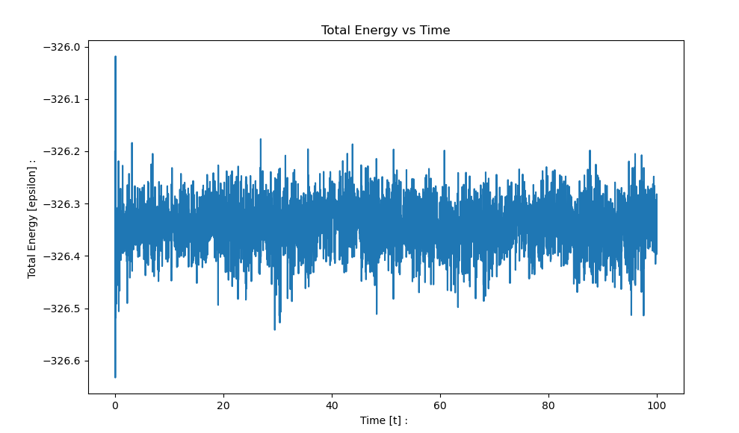
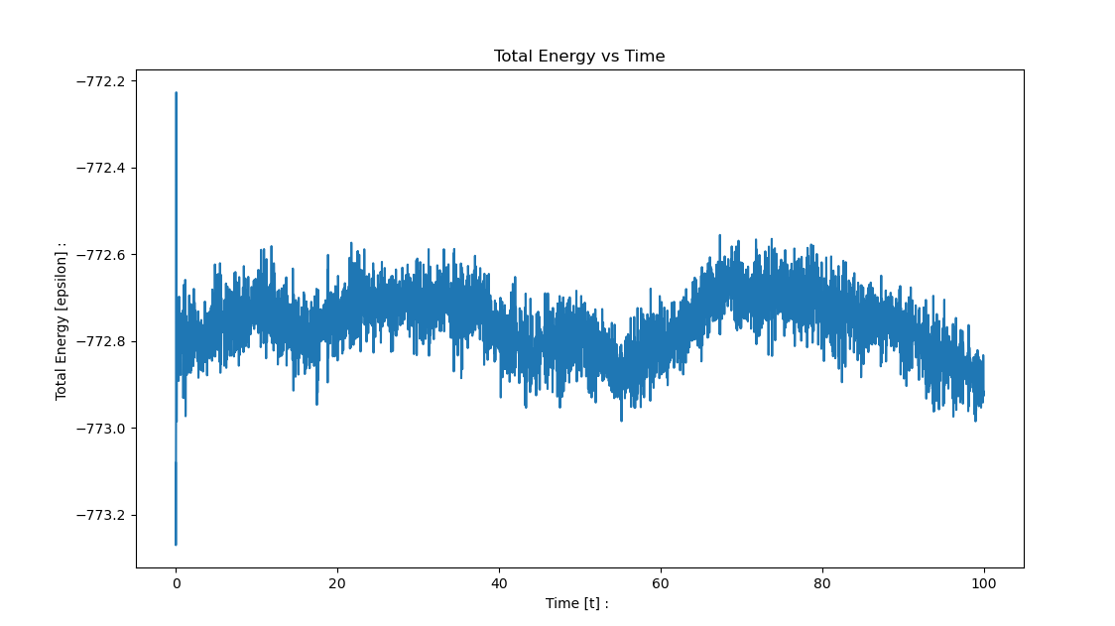
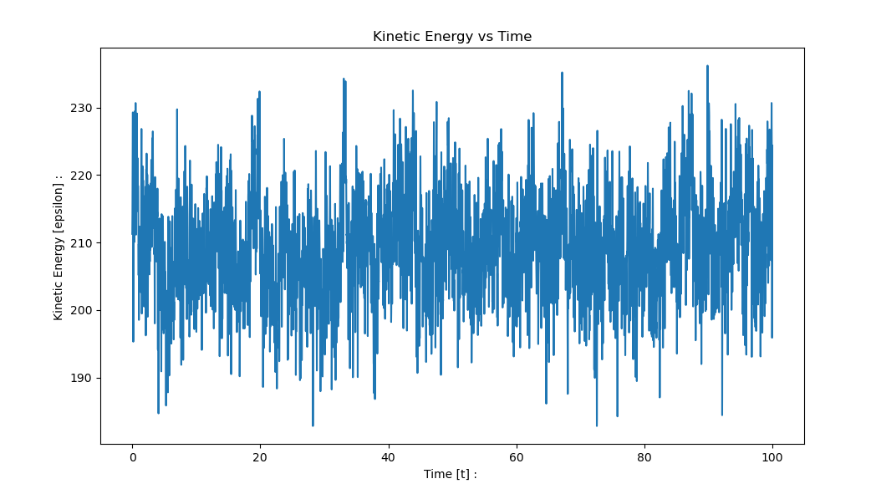
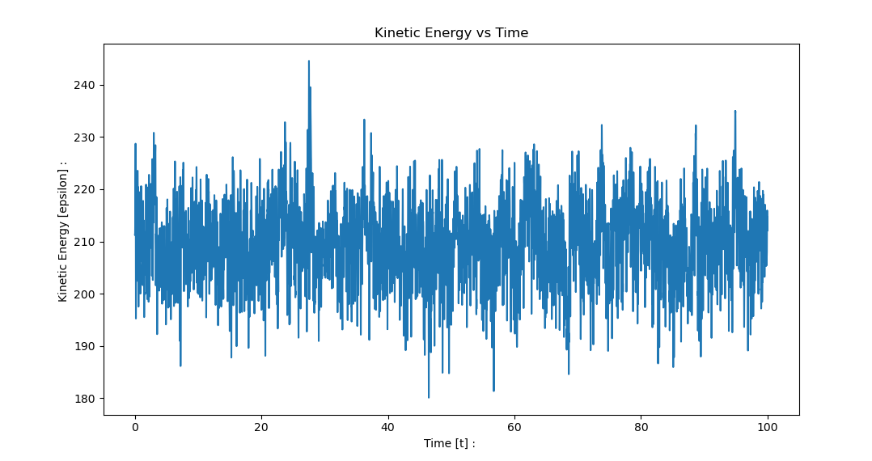
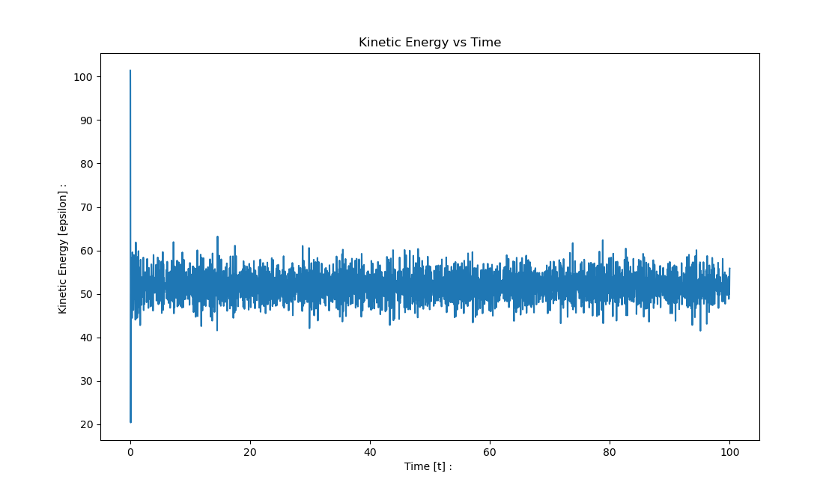
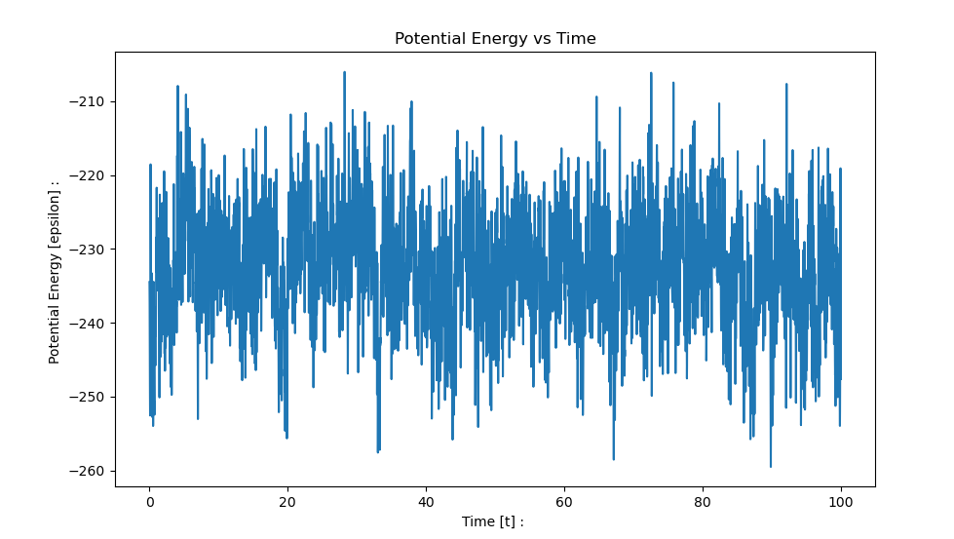
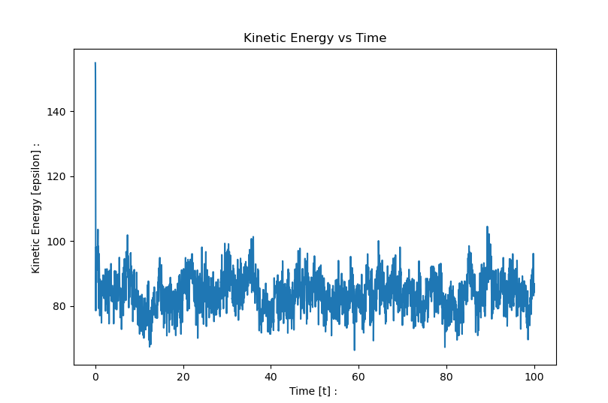
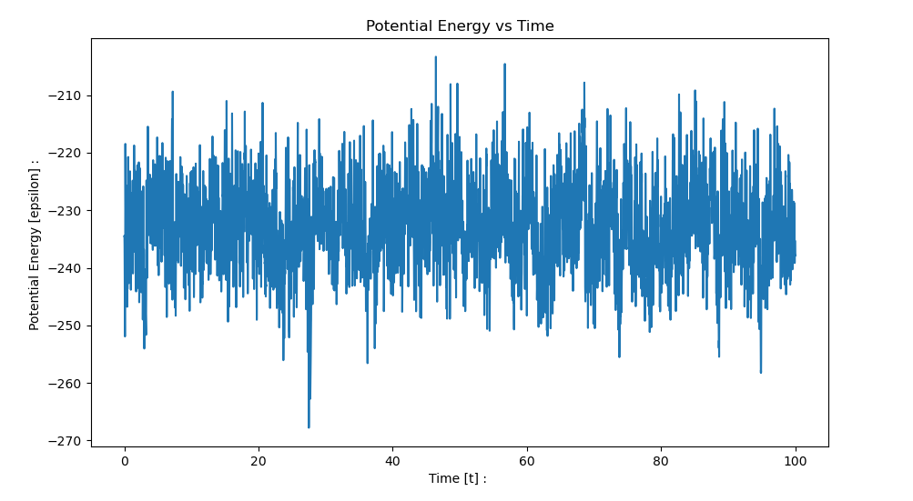
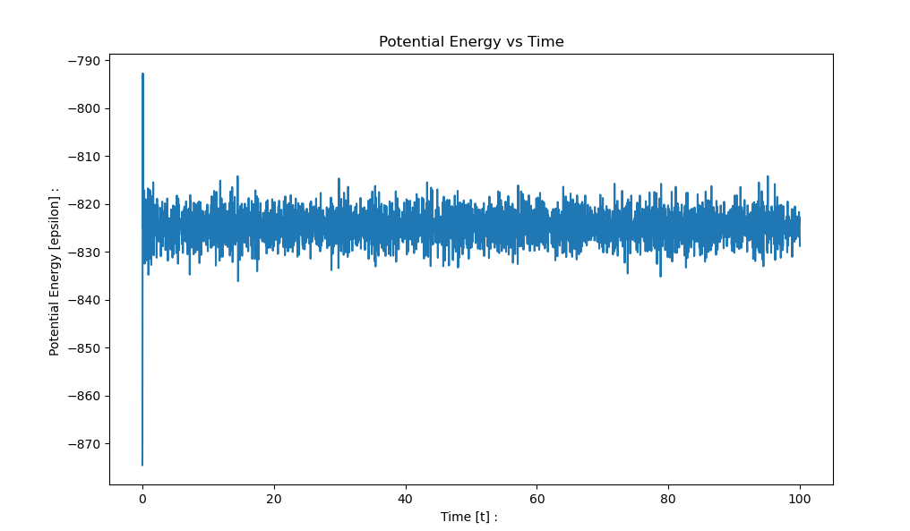
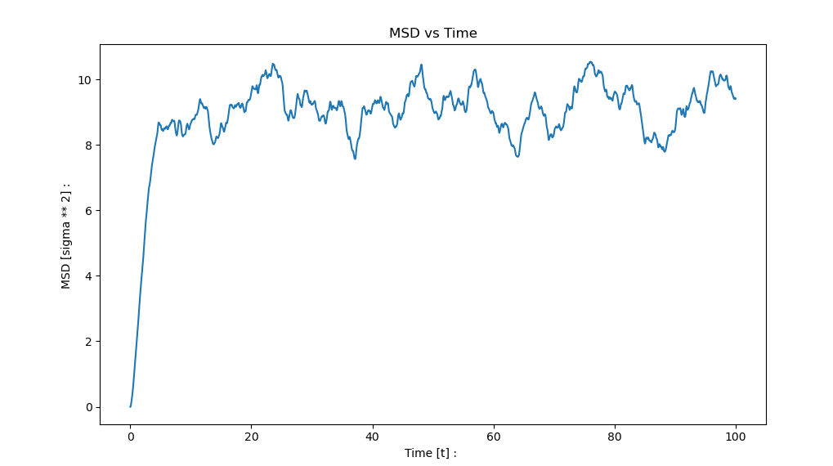
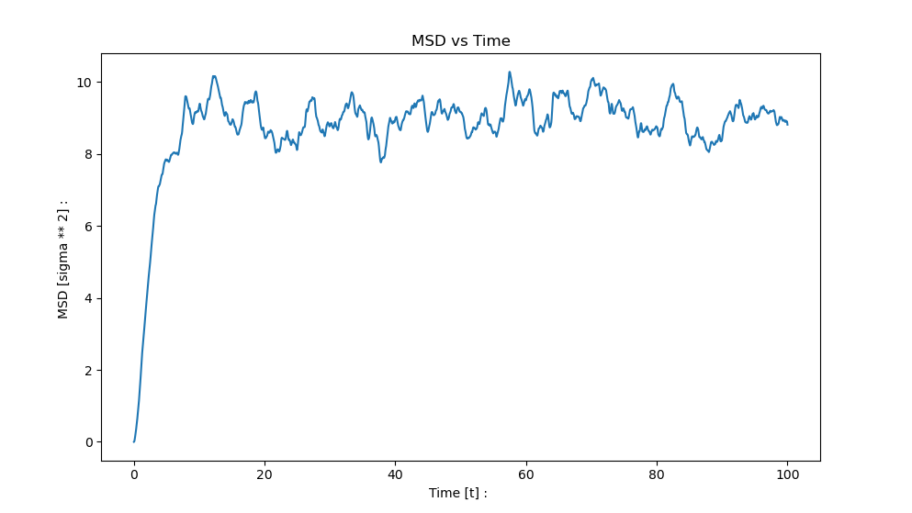
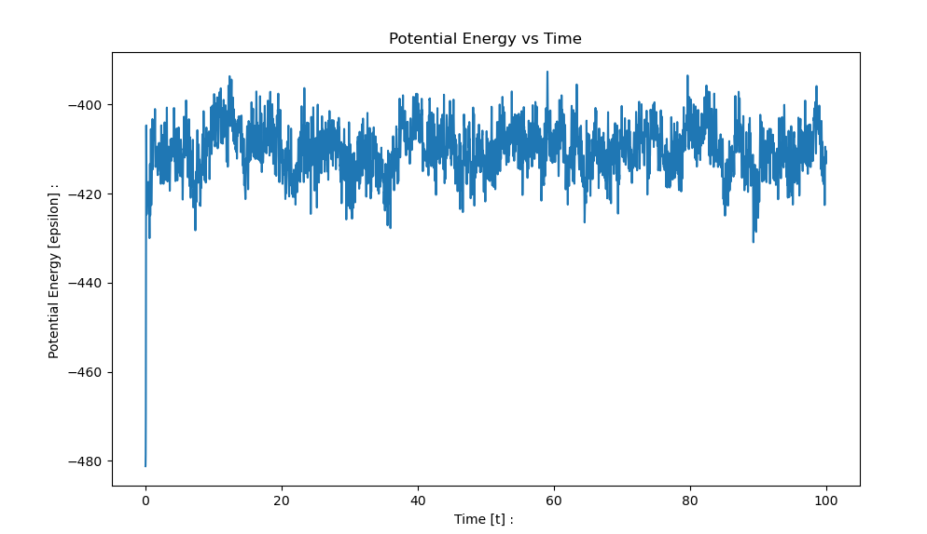
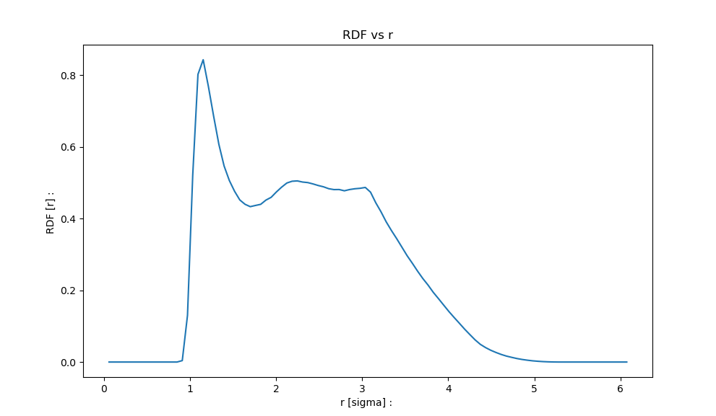
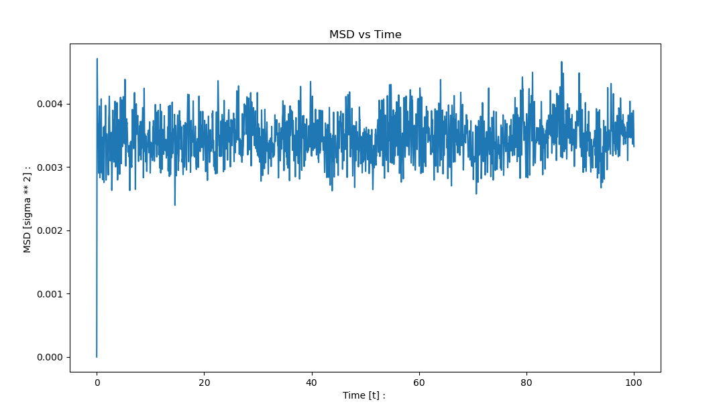
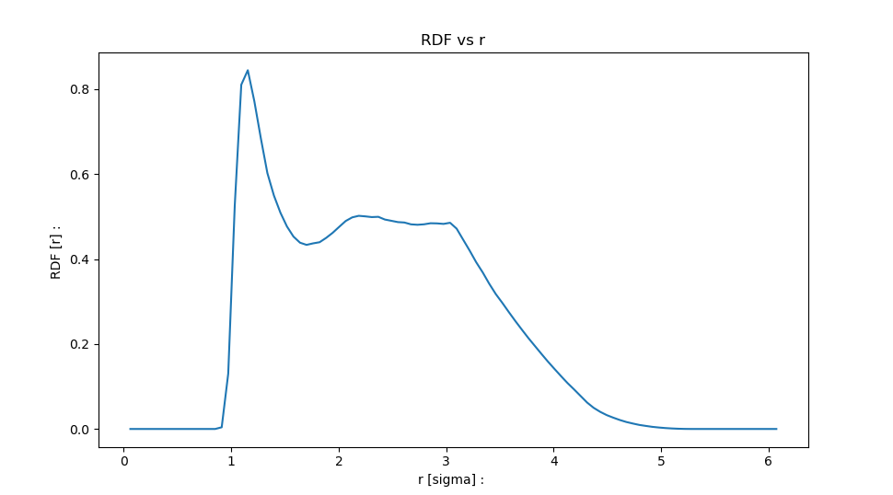
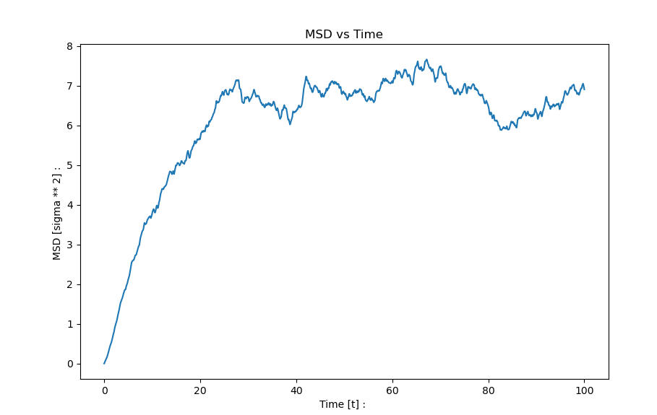
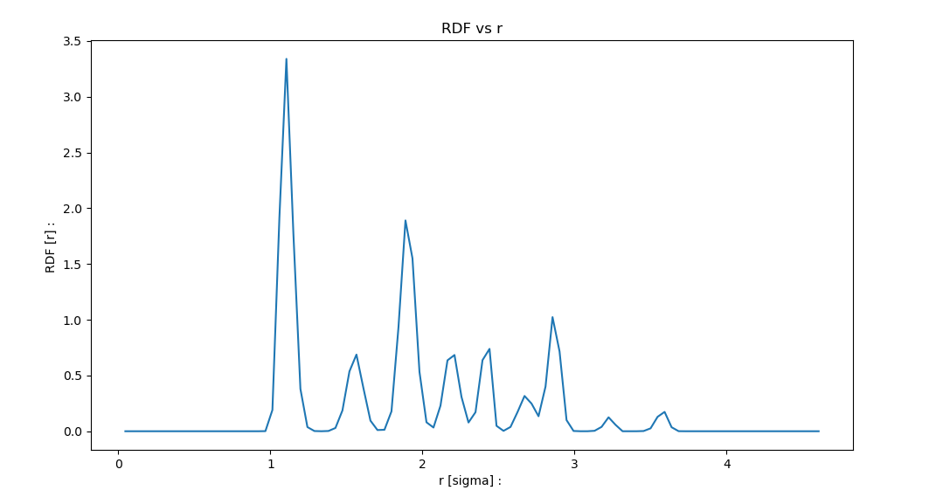
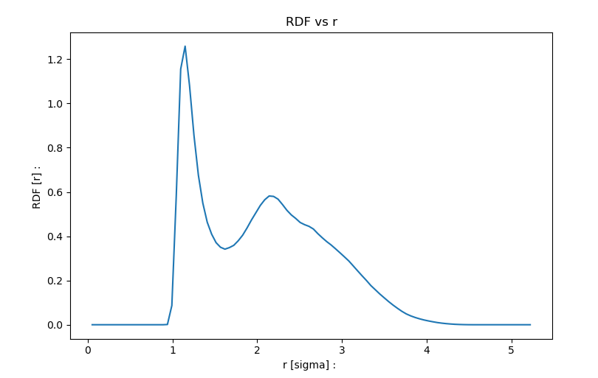
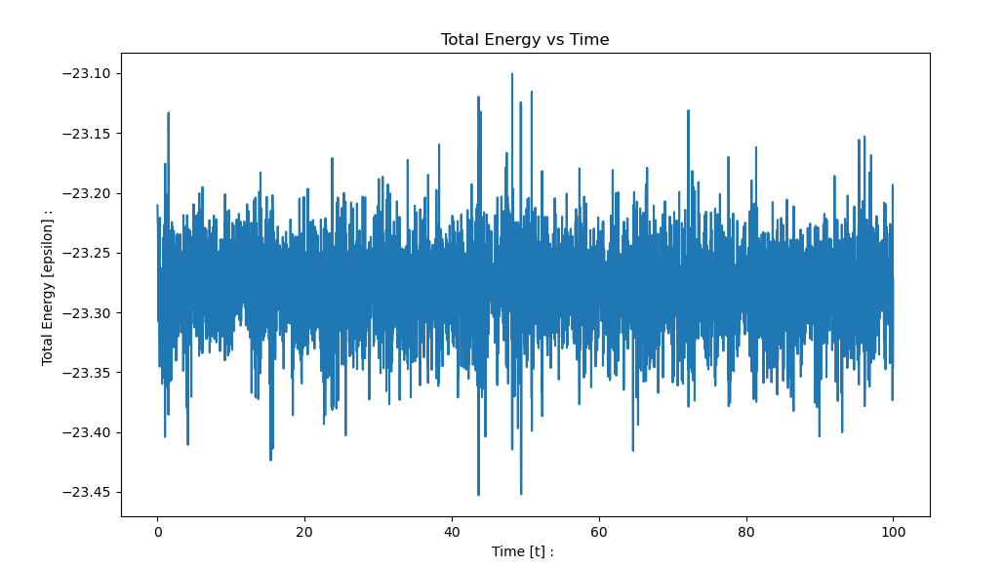
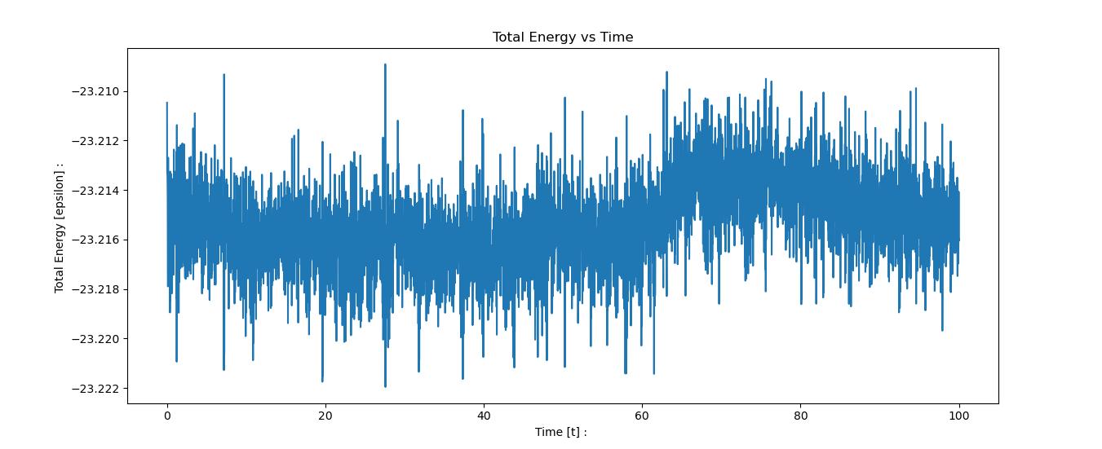
Solid | Liquid | Gas # 1 | Gas # 2

T = 0.626 | T = 1.148 | T = 1.565 | T = 1.565
rho = 1.106 | rho = 0.632 | rho = 0.402 | rho = 0.402
N = 108 | N = 90 | N = 90 | N = 90
100 [t] | 100 [t] | 100 [t] | 100 [t]
dt = 0.01 | dt = 0.01 | dt = 0.005 | dt = 0.001
numstep = 10000 | numstep = 10000 | numstep = 20000 | numstep = 100000
dE = -0.0013495863242867676 | dE = -0.0018821995592736701 | dE = -0.015182439472719361 | dE = -0.0005620594769339174

